Question1 - Portfolio Optimiza.
STOCK | Avrg monthly ret | Annual return | monthly ST. DEV | annual st. dev | annual sharpe ratio | varaiance-covariance matrix | VFF-US | FENC-US | BDOUY-US | SPMYY-US | AHCHY-US | NSC-US | FQVTF-US | CRAI-US | CHEF-US | SCGPY-US | KOS-US | DIISY-US | TSLA-US | AMZN-US | AAPL-US | AVGO-US | F-US | SMCI-US | CMCSA-US | HAL-US | BIRDF-US | EPRT-US | OTSKY-US | OHI-US | AGYS-US | varaiance-covariance matrix | VFF-US | FENC-US | BDOUY-US | SPMYY-US | AHCHY-US | NSC-US | FQVTF-US | CRAI-US | CHEF-US | SCGPY-US | KOS-US | DIISY-US | TSLA-US | AMZN-US | AAPL-US | AVGO-US | F-US | SMCI-US | CMCSA-US | HAL-US | BIRDF-US | EPRT-US | OTSKY-US | OHI-US | AGYS-US | 10 & 20 yr bond
VFF-US | -0.0040871534149 | -0.0480 | 0.28760977437 | 0.9963 | -0.0481 | VFF-US | 0.08132 | 0.00212 | 0.00653 | 0.00147 | 0.00345 | 0.00885 | 0.01299 | 0.01008 | 0.02406 | 0.00385 | 0.03543 | 0.00870 | 0.01489 | 0.00402 | 0.00640 | 0.00667 | 0.01190 | 0.00880 | 0.00945 | 0.01895 | 0.01286 | 0.01216 | 0.00476 | 0.00832 | 0.01806 | VFF-US | 0.08132 | 0.00212 | 0.00653 | 0.0014661134014 | 0.0034523791749 | 0.0088481046961 | 0.012994327026 | 0.010077586041 | 0.024061876795 | 0.0038519925886 | 0.035433203307 | 0.0087047485267 | 0.014887228409 | 0.0040181331581 | 0.0063991254796 | 0.0066721312761 | 0.011895035652 | 0.0088009929201 | 0.0094527378749 | 0.018946463955 | 0.012856125143 | 0.012161143957 | 0.0047590293254 | 0.0083239821561 | 0.018062659626 | 0.00000
FENC-US | 0.020763939778 | 0.2797 | 0.14585286681 | 0.5052 | 0.5536 | FENC-US | 0.00212 | 0.02091 | 0.00251 | 0.00386 | 0.00191 | 0.00223 | 0.00027 | 0.00466 | 0.00537 | 0.00228 | 0.00394 | 0.00181 | 0.00035 | -0.00024 | -0.00097 | 0.00143 | 0.00379 | -0.00165 | 0.00019 | 0.00591 | 0.00465 | 0.00121 | 0.00168 | 0.00000 | 0.00120 | FENC-US | 0.00212 | 0.02091 | 0.00251 | 0.0038605654266 | 0.0019083565267 | 0.0022294190936 | 0.00026800862463 | 0.0046564759562 | 0.0053679982391 | 0.0022777145753 | 0.0039407336708 | 0.001812210405 | 0.00035397248278 | -0.00024499332648 | -0.00096606394608 | 0.0014267672734 | 0.0037909303731 | -0.0016510318224 | 0.00019104162767 | 0.005913500763 | 0.0046470712235 | 0.0012118670036 | 0.0016788949823 | -3.1332505999E-06 | 0.0012043119775 | 0.00000
BDOUY-US | 0.0021820129175 | 0.0265 | 0.089081990114 | 0.3086 | 0.0859 | BDOUY-US | 0.00653 | 0.00251 | 0.00780 | -0.00030 | 0.00142 | 0.00292 | 0.00358 | 0.00227 | 0.00832 | 0.00230 | 0.01157 | 0.00161 | 0.00570 | 0.00183 | 0.00306 | 0.00242 | 0.00637 | 0.00295 | 0.00334 | 0.00885 | 0.00246 | 0.00462 | 0.00054 | 0.00379 | 0.00235 | BDOUY-US | 0.00653 | 0.00251 | 0.00780 | -0.00029931208963 | 0.0014194686105 | 0.0029222059681 | 0.003582265002 | 0.0022665501679 | 0.0083240735122 | 0.0023042351598 | 0.011570476297 | 0.0016077751212 | 0.0056992946941 | 0.0018319579676 | 0.0030573629781 | 0.0024175679144 | 0.0063688111305 | 0.0029490166873 | 0.003338427518 | 0.0088511704745 | 0.0024636678792 | 0.0046219126319 | 0.00053785305437 | 0.0037863990472 | 0.0023542443511 | 0.00000
SPMYY-US | 0.001295711042 | 0.0157 | 0.099918162535 | 0.3461 | 0.0452 | SPMYY-US | 0.00147 | 0.00386 | -0.00030 | 0.00981 | 0.00241 | 0.00308 | 0.00461 | 0.00374 | 0.00374 | 0.00230 | 0.00109 | 0.00264 | 0.00531 | 0.00244 | 0.00266 | 0.00193 | 0.00175 | 0.00131 | 0.00154 | 0.00184 | 0.00341 | 0.00292 | 0.00125 | 0.00042 | 0.00076 | SPMYY-US | 0.00147 | 0.00386 | -0.00030 | 0.0098144249806 | 0.0024076279208 | 0.003079248158 | 0.004610108952 | 0.0037354986539 | 0.0037434039056 | 0.0022955111482 | 0.0010860294992 | 0.0026352619146 | 0.0053130723741 | 0.0024402688656 | 0.0026622101211 | 0.001931274798 | 0.001751112848 | 0.0013125588252 | 0.0015396895449 | 0.0018402054032 | 0.0034133386974 | 0.0029248062149 | 0.0012457592501 | 0.00042049900427 | 0.00076433231328 | 0.00000
AHCHY-US | -0.0096564209109 | -0.1099 | 0.099692901435 | 0.3453 | -0.3183 | AHCHY-US | 0.00345 | 0.00191 | 0.00142 | 0.00241 | 0.00977 | 0.00207 | 0.00429 | 0.00275 | 0.00276 | 0.00160 | 0.00509 | 0.00176 | 0.00021 | 0.00009 | 0.00008 | 0.00157 | 0.00066 | 0.00031 | 0.00297 | 0.00425 | 0.00457 | 0.00124 | -0.00022 | -0.00002 | 0.00058 | AHCHY-US | 0.00345 | 0.00191 | 0.00142 | 0.0024076279208 | 0.0097702224847 | 0.0020747788419 | 0.0042911350868 | 0.0027541768776 | 0.0027556204828 | 0.0016030880052 | 0.0050910416469 | 0.0017550461533 | 0.00020863675293 | 8.5116913624E-05 | 7.9273671216E-05 | 0.001566054789 | 0.00065863849027 | 0.0003053228716 | 0.0029728484604 | 0.004248283413 | 0.0045688423233 | 0.001240523858 | -0.00022145696375 | -2.015252214E-05 | 0.00058423177434 | 0.00000
NSC-US | 0.0093010697058 | 0.1175 | 0.084319629459 | 0.2921 | 0.4023 | NSC-US | 0.00885 | 0.00223 | 0.00292 | 0.00308 | 0.00207 | 0.00699 | 0.00488 | 0.00479 | 0.00899 | 0.00252 | 0.00968 | 0.00268 | 0.00922 | 0.00333 | 0.00393 | 0.00482 | 0.00677 | 0.00458 | 0.00308 | 0.00780 | 0.00476 | 0.00550 | 0.00079 | 0.00292 | 0.00341 | NSC-US | 0.00885 | 0.00223 | 0.00292 | 0.003079248158 | 0.0020747788419 | 0.0069892948289 | 0.0048831607759 | 0.0047887824786 | 0.0089853770624 | 0.0025150930198 | 0.0096753011919 | 0.0026793296062 | 0.0092179986272 | 0.003327412409 | 0.0039268848104 | 0.004822497228 | 0.0067705187222 | 0.0045834319558 | 0.0030763576808 | 0.0077953113136 | 0.0047618057464 | 0.0054954574784 | 0.00078912108882 | 0.0029232126495 | 0.0034051386125 | 0.00000
FQVTF-US | -0.0057322169914 | -0.0667 | 0.14480171498 | 0.5016 | -0.1329 | FQVTF-US | 0.01299 | 0.00027 | 0.00358 | 0.00461 | 0.00429 | 0.00488 | 0.02061 | 0.00468 | 0.01183 | 0.00238 | 0.01403 | 0.00254 | 0.00416 | 0.00422 | 0.00513 | 0.00636 | 0.00624 | 0.00576 | 0.00577 | 0.01028 | 0.00731 | 0.00451 | 0.00169 | 0.00233 | 0.00102 | FQVTF-US | 0.01299 | 0.00027 | 0.00358 | 0.004610108952 | 0.0042911350868 | 0.0048831607759 | 0.020612154685 | 0.0046752626351 | 0.011828395881 | 0.0023816561206 | 0.014033311291 | 0.0025353801266 | 0.0041575689606 | 0.0042201920303 | 0.0051257367561 | 0.0063569834161 | 0.0062422501688 | 0.0057614183662 | 0.0057672907362 | 0.010277988422 | 0.0073065845602 | 0.0045145314523 | 0.0016897686562 | 0.0023289228184 | 0.0010248641147 | 0.00000
CRAI-US | 0.020965097531 | 0.2827 | 0.1122406712 | 0.3888 | 0.7271 | CRAI-US | 0.01008 | 0.00466 | 0.00227 | 0.00374 | 0.00275 | 0.00479 | 0.00468 | 0.01238 | 0.00815 | 0.00393 | 0.01208 | 0.00252 | 0.00694 | 0.00158 | 0.00312 | 0.00347 | 0.00491 | 0.00283 | 0.00314 | 0.01059 | 0.00661 | 0.00511 | 0.00160 | 0.00178 | 0.00346 | CRAI-US | 0.01008 | 0.00466 | 0.00227 | 0.0037354986539 | 0.0027541768776 | 0.0047887824786 | 0.0046752626351 | 0.012384443385 | 0.0081479498013 | 0.0039271041674 | 0.01207928694 | 0.0025238288321 | 0.006944879294 | 0.0015785183913 | 0.0031206749188 | 0.0034732014013 | 0.0049092215385 | 0.0028323540099 | 0.0031359024363 | 0.010589365888 | 0.0066133678545 | 0.0051088584492 | 0.0016013314906 | 0.0017836289689 | 0.0034601296287 | 0.00000
CHEF-US | 0.016838104174 | 0.2219 | 0.18231644429 | 0.6316 | 0.3513 | CHEF-US | 0.02406 | 0.00537 | 0.00832 | 0.00374 | 0.00276 | 0.00899 | 0.01183 | 0.00815 | 0.03268 | 0.00344 | 0.02684 | 0.00435 | 0.01542 | 0.00290 | 0.00575 | 0.00685 | 0.01010 | 0.00484 | 0.00667 | 0.01922 | 0.00754 | 0.01076 | 0.00348 | 0.00648 | 0.01320 | CHEF-US | 0.02406 | 0.00537 | 0.00832 | 0.0037434039056 | 0.0027556204828 | 0.0089853770624 | 0.011828395881 | 0.0081479498013 | 0.032675908133 | 0.003440604955 | 0.02683892613 | 0.0043544896415 | 0.015418791332 | 0.0028977067448 | 0.0057545426394 | 0.0068461536839 | 0.01010192443 | 0.0048448450442 | 0.0066744662423 | 0.019221534325 | 0.0075437951741 | 0.010761990943 | 0.0034833721276 | 0.0064779870682 | 0.013204795097 | 0.00000
SCGPY-US | 0.0092466203554 | 0.1168 | 0.081368391755 | 0.2819 | 0.4143 | SCGPY-US | 0.00385 | 0.00228 | 0.00230 | 0.00230 | 0.00160 | 0.00252 | 0.00238 | 0.00393 | 0.00344 | 0.00651 | 0.00592 | 0.00235 | 0.00279 | 0.00141 | 0.00261 | 0.00218 | 0.00367 | 0.00375 | 0.00227 | 0.00552 | 0.00301 | 0.00317 | 0.00013 | 0.00190 | 0.00212 | SCGPY-US | 0.00385 | 0.00228 | 0.00230 | 0.0022955111482 | 0.0016030880052 | 0.0025150930198 | 0.0023816561206 | 0.0039271041674 | 0.003440604955 | 0.0065085979704 | 0.0059184645615 | 0.0023461501109 | 0.0027880618811 | 0.0014101691633 | 0.0026104449235 | 0.0021770140094 | 0.0036718774725 | 0.0037549430376 | 0.0022680043871 | 0.0055210823845 | 0.0030077933106 | 0.0031729488567 | 0.00013481828515 | 0.0019015094227 | 0.0021173442731 | 0.00000
KOS-US | 0.034084136841 | 0.4951 | 0.23944213212 | 0.8295 | 0.5969 | KOS-US | 0.03543 | 0.00394 | 0.01157 | 0.00109 | 0.00509 | 0.00968 | 0.01403 | 0.01208 | 0.02684 | 0.00592 | 0.05636 | 0.00431 | 0.01685 | 0.00488 | 0.00544 | 0.00737 | 0.01381 | 0.00846 | 0.00855 | 0.03410 | 0.00946 | 0.01084 | 0.00203 | 0.01127 | 0.01502 | KOS-US | 0.03543 | 0.00394 | 0.01157 | 0.0010860294992 | 0.0050910416469 | 0.0096753011919 | 0.014033311291 | 0.01207928694 | 0.02683892613 | 0.0059184645615 | 0.056360796758 | 0.0043066283301 | 0.016846983369 | 0.0048794764273 | 0.0054362438306 | 0.0073739175421 | 0.013808573535 | 0.0084568807279 | 0.0085538426521 | 0.034104745655 | 0.0094566205442 | 0.010841395132 | 0.0020344919119 | 0.011273033972 | 0.015021705297 | 0.00000
DIISY-US | -0.0055428914997 | -0.0645 | 0.10517381654 | 0.3643 | -0.1771 | DIISY-US | 0.00870 | 0.00181 | 0.00161 | 0.00264 | 0.00176 | 0.00268 | 0.00254 | 0.00252 | 0.00435 | 0.00235 | 0.00431 | 0.01087 | 0.00064 | -0.00096 | 0.00117 | 0.00151 | 0.00077 | 0.00238 | 0.00283 | 0.00711 | 0.00463 | 0.00252 | 0.00165 | 0.00078 | 0.00273 | DIISY-US | 0.00870 | 0.00181 | 0.00161 | 0.0026352619146 | 0.0017550461533 | 0.0026793296062 | 0.0025353801266 | 0.0025238288321 | 0.0043544896415 | 0.0023461501109 | 0.0043066283301 | 0.010874048098 | 0.00064396828314 | -0.00095636221334 | 0.0011699617148 | 0.0015124877577 | 0.00077158975706 | 0.0023841673879 | 0.0028343126876 | 0.0071080051968 | 0.004630407643 | 0.0025212939724 | 0.001653437656 | 0.00078340852615 | 0.0027336201103 | 0.00000
TSLA-US | 0.064784254805 | 1.1239 | 0.22258852899 | 0.7711 | 1.4576 | TSLA-US | 0.01489 | 0.00035 | 0.00570 | 0.00531 | 0.00021 | 0.00922 | 0.00416 | 0.00694 | 0.01542 | 0.00279 | 0.01685 | 0.00064 | 0.04871 | 0.01309 | 0.01337 | 0.00804 | 0.01000 | 0.00917 | 0.00357 | 0.01192 | 0.00563 | 0.00792 | 0.00317 | 0.00591 | 0.00406 | TSLA-US | 0.01489 | 0.00035 | 0.00570 | 0.0053130723741 | 0.00020863675293 | 0.0092179986272 | 0.0041575689606 | 0.006944879294 | 0.015418791332 | 0.0027880618811 | 0.016846983369 | 0.00064396828314 | 0.048705896405 | 0.013085233719 | 0.013370932521 | 0.0080423762613 | 0.0099998117034 | 0.0091723046837 | 0.0035714544283 | 0.011915571875 | 0.0056259722389 | 0.0079158246352 | 0.0031671030955 | 0.0059120138326 | 0.0040635801298 | 0.00000
AMZN-US | 0.013998555228 | 0.1815 | 0.094720529615 | 0.3281 | 0.5533 | AMZN-US | 0.00402 | -0.00024 | 0.00183 | 0.00244 | 0.00009 | 0.00333 | 0.00422 | 0.00158 | 0.00290 | 0.00141 | 0.00488 | -0.00096 | 0.01309 | 0.00882 | 0.00589 | 0.00429 | 0.00449 | 0.00383 | 0.00242 | 0.00251 | 0.00249 | 0.00315 | 0.00079 | 0.00258 | 0.00037 | AMZN-US | 0.00402 | -0.00024 | 0.00183 | 0.0024402688656 | 8.5116913624E-05 | 0.003327412409 | 0.0042201920303 | 0.0015785183913 | 0.0028977067448 | 0.0014101691633 | 0.0048794764273 | -0.00095636221334 | 0.013085233719 | 0.0088199112945 | 0.005886645243 | 0.0042904190552 | 0.0044929241302 | 0.0038304773801 | 0.002422965124 | 0.0025110295983 | 0.0024859450856 | 0.0031531035333 | 0.00079308196279 | 0.0025768506303 | 0.000366494429 | 0.00000
AAPL-US | 0.029961222324 | 0.4251 | 0.086958476778 | 0.3012 | 1.4113 | AAPL-US | 0.00640 | -0.00097 | 0.00306 | 0.00266 | 0.00008 | 0.00393 | 0.00513 | 0.00312 | 0.00575 | 0.00261 | 0.00544 | 0.00117 | 0.01337 | 0.00589 | 0.00743 | 0.00448 | 0.00534 | 0.00465 | 0.00287 | 0.00566 | 0.00367 | 0.00419 | 0.00151 | 0.00279 | 0.00041 | AAPL-US | 0.00640 | -0.00097 | 0.00306 | 0.0026622101211 | 7.9273671216E-05 | 0.0039268848104 | 0.0051257367561 | 0.0031206749188 | 0.0057545426394 | 0.0026104449235 | 0.0054362438306 | 0.0011699617148 | 0.013370932521 | 0.005886645243 | 0.007433610977 | 0.0044829676479 | 0.0053392689899 | 0.0046518422129 | 0.0028745290674 | 0.0056587187318 | 0.0036708938131 | 0.0041892855274 | 0.0015087296527 | 0.0027915840332 | 0.0004112188361 | 0.00000
AVGO-US | 0.028563142636 | 0.4021 | 0.091983455696 | 0.3186 | 1.2618 | AVGO-US | 0.00667 | 0.00143 | 0.00242 | 0.00193 | 0.00157 | 0.00482 | 0.00636 | 0.00347 | 0.00685 | 0.00218 | 0.00737 | 0.00151 | 0.00804 | 0.00429 | 0.00448 | 0.00832 | 0.00622 | 0.00962 | 0.00344 | 0.00605 | 0.00606 | 0.00438 | 0.00186 | 0.00303 | 0.00131 | AVGO-US | 0.00667 | 0.00143 | 0.00242 | 0.001931274798 | 0.001566054789 | 0.004822497228 | 0.0063569834161 | 0.0034732014013 | 0.0068461536839 | 0.0021770140094 | 0.0073739175421 | 0.0015124877577 | 0.0080423762613 | 0.0042904190552 | 0.0044829676479 | 0.0083175500858 | 0.0062248943951 | 0.0096219653116 | 0.0034377485351 | 0.0060455173758 | 0.0060646339914 | 0.0043786124072 | 0.0018616566781 | 0.003031086924 | 0.0013138452351 | 0.00000
F-US | 0.014333865673 | 0.1862 | 0.13300915606 | 0.4608 | 0.4042 | F-US | 0.01190 | 0.00379 | 0.00637 | 0.00175 | 0.00066 | 0.00677 | 0.00624 | 0.00491 | 0.01010 | 0.00367 | 0.01381 | 0.00077 | 0.01000 | 0.00449 | 0.00534 | 0.00622 | 0.01739 | 0.00596 | 0.00417 | 0.01092 | 0.00550 | 0.00504 | 0.00023 | 0.00455 | 0.00125 | F-US | 0.01190 | 0.00379 | 0.00637 | 0.001751112848 | 0.00065863849027 | 0.0067705187222 | 0.0062422501688 | 0.0049092215385 | 0.01010192443 | 0.0036718774725 | 0.013808573535 | 0.00077158975706 | 0.0099998117034 | 0.0044929241302 | 0.0053392689899 | 0.0062248943951 | 0.017391580756 | 0.0059601750152 | 0.0041744001611 | 0.01091510369 | 0.0055028667981 | 0.0050443610476 | 0.00022733844347 | 0.0045500087968 | 0.0012527121499 | 0.00000
SMCI-US | 0.065265584339 | 1.1355 | 0.19526854466 | 0.6764 | 1.6786 | SMCI-US | 0.00880 | -0.00165 | 0.00295 | 0.00131 | 0.00031 | 0.00458 | 0.00576 | 0.00283 | 0.00484 | 0.00375 | 0.00846 | 0.00238 | 0.00917 | 0.00383 | 0.00465 | 0.00962 | 0.00596 | 0.03748 | 0.00308 | 0.00460 | 0.00335 | 0.00415 | 0.00312 | 0.00541 | 0.00002 | SMCI-US | 0.00880 | -0.00165 | 0.00295 | 0.0013125588252 | 0.0003053228716 | 0.0045834319558 | 0.0057614183662 | 0.0028323540099 | 0.0048448450442 | 0.0037549430376 | 0.0084568807279 | 0.0023841673879 | 0.0091723046837 | 0.0038304773801 | 0.0046518422129 | 0.0096219653116 | 0.0059601750152 | 0.037483536659 | 0.0030792994761 | 0.0046047598389 | 0.0033507336317 | 0.0041523098888 | 0.0031198095677 | 0.005405845989 | 1.6617844135E-05 | 0.00000
CMCSA-US | 0.0057915821116 | 0.0718 | 0.073847237717 | 0.2558 | 0.2805 | CMCSA-US | 0.00945 | 0.00019 | 0.00334 | 0.00154 | 0.00297 | 0.00308 | 0.00577 | 0.00314 | 0.00667 | 0.00227 | 0.00855 | 0.00283 | 0.00357 | 0.00242 | 0.00287 | 0.00344 | 0.00417 | 0.00308 | 0.00536 | 0.00699 | 0.00452 | 0.00441 | 0.00124 | 0.00346 | 0.00320 | CMCSA-US | 0.00945 | 0.00019 | 0.00334 | 0.0015396895449 | 0.0029728484604 | 0.0030763576808 | 0.0057672907362 | 0.0031359024363 | 0.0066744662423 | 0.0022680043871 | 0.0085538426521 | 0.0028343126876 | 0.0035714544283 | 0.002422965124 | 0.0028745290674 | 0.0034377485351 | 0.0041744001611 | 0.0030792994761 | 0.0053609837638 | 0.0069862106063 | 0.0045207647534 | 0.0044075377687 | 0.0012373679344 | 0.0034588639319 | 0.0031976353029 | 0.00000
HAL-US | 0.019354655482 | 0.2586 | 0.17885432632 | 0.6196 | 0.4175 | HAL-US | 0.01895 | 0.00591 | 0.00885 | 0.00184 | 0.00425 | 0.00780 | 0.01028 | 0.01059 | 0.01922 | 0.00552 | 0.03410 | 0.00711 | 0.01192 | 0.00251 | 0.00566 | 0.00605 | 0.01092 | 0.00460 | 0.00699 | 0.03145 | 0.00917 | 0.00775 | 0.00111 | 0.00802 | 0.01025 | HAL-US | 0.01895 | 0.00591 | 0.00885 | 0.0018402054032 | 0.004248283413 | 0.0077953113136 | 0.010277988422 | 0.010589365888 | 0.019221534325 | 0.0055210823845 | 0.034104745655 | 0.0071080051968 | 0.011915571875 | 0.0025110295983 | 0.0056587187318 | 0.0060455173758 | 0.01091510369 | 0.0046047598389 | 0.0069862106063 | 0.031446685804 | 0.0091724608744 | 0.0077457731986 | 0.0011076919912 | 0.0080248972516 | 0.010249675477 | 0.00000
BIRDF-US | 0.019860887862 | 0.2662 | 0.10679487134 | 0.3699 | 0.7195 | BIRDF-US | 0.01286 | 0.00465 | 0.00246 | 0.00341 | 0.00457 | 0.00476 | 0.00731 | 0.00661 | 0.00754 | 0.00301 | 0.00946 | 0.00463 | 0.00563 | 0.00249 | 0.00367 | 0.00606 | 0.00550 | 0.00335 | 0.00452 | 0.00917 | 0.01121 | 0.00558 | 0.00178 | 0.00252 | 0.00292 | BIRDF-US | 0.01286 | 0.00465 | 0.00246 | 0.0034133386974 | 0.0045688423233 | 0.0047618057464 | 0.0073065845602 | 0.0066133678545 | 0.0075437951741 | 0.0030077933106 | 0.0094566205442 | 0.004630407643 | 0.0056259722389 | 0.0024859450856 | 0.0036708938131 | 0.0060646339914 | 0.0055028667981 | 0.0033507336317 | 0.0045207647534 | 0.0091724608744 | 0.01121183701 | 0.0055842428689 | 0.0017798418855 | 0.0025245208457 | 0.002921919852 | 0.00000
EPRT-US | 0.013736933692 | 0.1779 | 0.10109333958 | 0.3502 | 0.5080 | EPRT-US | 0.01216 | 0.00121 | 0.00462 | 0.00292 | 0.00124 | 0.00550 | 0.00451 | 0.00511 | 0.01076 | 0.00317 | 0.01084 | 0.00252 | 0.00792 | 0.00315 | 0.00419 | 0.00438 | 0.00504 | 0.00415 | 0.00441 | 0.00775 | 0.00558 | 0.01005 | 0.00095 | 0.00460 | 0.00822 | EPRT-US | 0.01216 | 0.00121 | 0.00462 | 0.0029248062149 | 0.001240523858 | 0.0054954574784 | 0.0045145314523 | 0.0051088584492 | 0.010761990943 | 0.0031729488567 | 0.010841395132 | 0.0025212939724 | 0.0079158246352 | 0.0031531035333 | 0.0041892855274 | 0.0043786124072 | 0.0050443610476 | 0.0041523098888 | 0.0044075377687 | 0.0077457731986 | 0.0055842428689 | 0.010046645284 | 0.00094729900531 | 0.0046003845136 | 0.0082185890998 | 0.00000
OTSKY-US | 0.00087812106743 | 0.0106 | 0.069268495222 | 0.2400 | 0.0441 | OTSKY-US | 0.00476 | 0.00168 | 0.00054 | 0.00125 | -0.00022 | 0.00079 | 0.00169 | 0.00160 | 0.00348 | 0.00013 | 0.00203 | 0.00165 | 0.00317 | 0.00079 | 0.00151 | 0.00186 | 0.00023 | 0.00312 | 0.00124 | 0.00111 | 0.00178 | 0.00095 | 0.00472 | 0.00067 | 0.00007 | OTSKY-US | 0.00476 | 0.00168 | 0.00054 | 0.0012457592501 | -0.00022145696375 | 0.00078912108882 | 0.0016897686562 | 0.0016013314906 | 0.0034833721276 | 0.00013481828515 | 0.0020344919119 | 0.001653437656 | 0.0031671030955 | 0.00079308196279 | 0.0015087296527 | 0.0018616566781 | 0.00022733844347 | 0.0031198095677 | 0.0012373679344 | 0.0011076919912 | 0.0017798418855 | 0.00094729900531 | 0.0047168002875 | 0.0006729007126 | 7.308354153E-05 | 0.00000
OHI-US | -0.00080187366907 | -0.0096 | 0.085047326939 | 0.2946 | -0.0325 | OHI-US | 0.00832 | 0.00000 | 0.00379 | 0.00042 | -0.00002 | 0.00292 | 0.00233 | 0.00178 | 0.00648 | 0.00190 | 0.01127 | 0.00078 | 0.00591 | 0.00258 | 0.00279 | 0.00303 | 0.00455 | 0.00541 | 0.00346 | 0.00802 | 0.00252 | 0.00460 | 0.00067 | 0.00711 | 0.00494 | OHI-US | 0.00832 | 0.00000 | 0.00379 | 0.00042049900427 | -2.015252214E-05 | 0.0029232126495 | 0.0023289228184 | 0.0017836289689 | 0.0064779870682 | 0.0019015094227 | 0.011273033972 | 0.00078340852615 | 0.0059120138326 | 0.0025768506303 | 0.0027915840332 | 0.003031086924 | 0.0045500087968 | 0.005405845989 | 0.0034588639319 | 0.0080248972516 | 0.0025245208457 | 0.0046003845136 | 0.0006729007126 | 0.0071104537887 | 0.0049383780162 | 0.00000
AGYS-US | 0.037916563047 | 0.5630 | 0.15099219056 | 0.5231 | 1.0763 | AGYS-US | 0.01806 | 0.00120 | 0.00235 | 0.00076 | 0.00058 | 0.00341 | 0.00102 | 0.00346 | 0.01320 | 0.00212 | 0.01502 | 0.00273 | 0.00406 | 0.00037 | 0.00041 | 0.00131 | 0.00125 | 0.00002 | 0.00320 | 0.01025 | 0.00292 | 0.00822 | 0.00007 | 0.00494 | 0.02241 | AGYS-US | 0.01806 | 0.00120 | 0.00235 | 0.00076433231328 | 0.00058423177434 | 0.0034051386125 | 0.0010248641147 | 0.0034601296287 | 0.013204795097 | 0.0021173442731 | 0.015021705297 | 0.0027336201103 | 0.0040635801298 | 0.000366494429 | 0.0004112188361 | 0.0013138452351 | 0.0012527121499 | 1.6617844135E-05 | 0.0031976353029 | 0.010249675477 | 0.002921919852 | 0.0082185890998 | 7.308354153E-05 | 0.0049383780162 | 0.022412223956 | 0.00000
 |  |  |  |  |  |  |  |  |  |  |  |  |  |  |  |  |  |  |  |  |  |  |  |  |  |  |  |  |  |  |  | 10 & 20 year bond | 0.00000 | 0.00000 | 0.00000 | 0.00000 | 0.00000 | 0.00000 | 0.00000 | 0.00000 | 0.00000 | 0.00000 | 0.00000 | 0.00000 | 0.00000 | 0.00000 | 0.00000 | 0.00000 | 0.00000 | 0.00000 | 0.00000 | 0.00000 | 0.00000 | 0.00000 | 0.00000 | 0.00000 | 0.00000 | 0.00000
PORTFOLIOS |  |  |  |  |  |  | HELPER COLUNMS
 | PORTFOLIO 1 (EQUAL WEIGHTS) | PORTFOLIO 2 (SHARPE RATIO WEIGHTED) | PORTFOLIO 3 (MAX SHARPE RATIO) | PORTFOLIO 4 (HIGHER RISK PORTFOLIO LREVERAGED WITH BONDS) | PORTFOLIO 5 (LOWER RISK LEVERAGED WITH 20 YR BOND) |  | PORTFOLIO 2 |  | PORTFOLIO 3 |  | PORTFOLIO 4 |  |  |  | PORTFOLIO 5
Constraining Variable | NONE | HIGHER SR |  | HIGHER ST. DEV | LOWER ST. DEV |  | POSITIVE SR | PRPORTIONAL | ASSUMPTIONS |  | unscaled stocks |  |  |  | unscaled stocks
Value of Constraint | N/A |  |  | st.dev >D63 | st. dev< D63 |  |  | WEIGHTS | TICKER | SHARPRE RATIO | from portfolio 3 | v=Σ×w |  |  | from portfolio 3 | v=Σ×w
VFF-US | 0.04000 | 0.00000 | 0.00000 | 0 | 0.00000 |  | 0.00000 | 0.00000 | SMCI-US | 1.6786307101 | 0.00000 | 0.015196263566 | RETURN OF 10 YR BOND | 4.050% | 0.00000 | 0.00844 | RETURN OF 20 YR BOND | 4.360%
FENC-US | 0.04000 | 0.04262 | 0.10258 | 0.13848956973 | 0.07694 |  | 0.55356 | 0.04262 | TSLA-US | 1.4576204002 | 0.10258 | 0.0034775846616 | TOTAL WEIGHT OF STOCK PORTFOLIO | 1.35 | 0.10258 | 0.0019319914787 | TOTAL WEIGHT OF STOCK PORTFOLIO | 0.75
BDOUY-US | 0.04000 | 0.00661 | 0.01000 | 0.0135 | 0.00750 |  | 0.08588 | 0.00661 | AAPL-US | 1.4112560441 | 0.01000 | 0.0046190868889 | TOTAL WEIGHT OF BOND | -0.35 | 0.01000 | 0.0025661593827 | TOTAL WEIGHT OF BOND | 0.25
SPMYY-US | 0.04000 | 0.00348 | 0.01000 | 0.0135 | 0.00750 |  | 0.04524 | 0.00348 | AVGO-US | 1.2618495934 | 0.01000 | 0.0033280872819 | PORTFOLIO VARIANCE | 0.016017753605 | 0.01000 | 0.0018489373788 | PORTFOLIO VARIANCE | 0.0049437511127
AHCHY-US | 0.04000 | 0.00000 | 0.00000 | 0 | 0.00000 |  | 0.00000 | 0.00000 | AGYS-US | 1.076307692 | 0.00000 | 0.0012870206106 |  |  | 0.00000 | 0.00071501145033
NSC-US | 0.04000 | 0.03097 | 0.10000 | 0.135 | 0.07500 |  | 0.40228 | 0.03097 | CRAI-US | 0.72712751624 | 0.10000 | 0.0068933689916 |  |  | 0.10000 | 0.0038296494398
FQVTF-US | 0.04000 | 0.00000 | 0.00000 | 0 | 0.00000 |  | 0.00000 | 0.00000 | BIRDF-US | 0.71947279974 | 0.00000 | 0.0053843782682 |  |  | 0.00000 | 0.0029913212601
CRAI-US | 0.04000 | 0.05598 | 0.01000 | 0.0135 | 0.00750 |  | 0.72713 | 0.05598 | KOS-US | 0.59690133216 | 0.01000 | 0.0059087642394 |  |  | 0.01000 | 0.0032826467997
CHEF-US | 0.04000 | 0.02704 | 0.01000 | 0.0135 | 0.00750 |  | 0.35129 | 0.02704 | FENC-US | 0.55356297252 | 0.01000 | 0.012739394769 |  |  | 0.01000 | 0.0070774415382
SCGPY-US | 0.04000 | 0.03190 | 0.01000 | 0.0135 | 0.00750 |  | 0.41431 | 0.03190 | AMZN-US | 0.55326732621 | 0.01000 | 0.0039513312602 |  |  | 0.01000 | 0.0021951840334
KOS-US | 0.04000 | 0.04595 | 0.01000 | 0.0135 | 0.00750 |  | 0.59690 | 0.04595 | EPRT-US | 0.50795873551 | 0.01000 | 0.015584791564 |  |  | 0.01000 | 0.0086582175354
DIISY-US | 0.04000 | 0.00000 | 0.00000 | 0 | 0.00000 |  | 0.00000 | 0.00000 | HAL-US | 0.41746139479 | 0.00000 | 0.0029531691662 |  |  | 0.00000 | 0.0016406495368
TSLA-US | 0.04000 | 0.11222 | 0.15462 | 0.20873713306 | 0.11597 |  | 1.45762 | 0.11222 | SCGPY-US | 0.41430701161 | 0.15462 | 0.017951070113 |  |  | 0.15462 | 0.0099728167296
AMZN-US | 0.04000 | 0.04259 | 0.01000 | 0.0135 | 0.00750 |  | 0.55327 | 0.04259 | F-US | 0.40419554084 | 0.01000 | 0.0054448695646 |  |  | 0.01000 | 0.0030249275359
AAPL-US | 0.04000 | 0.10865 | 0.01000 | 0.0135 | 0.00750 |  | 1.41126 | 0.10865 | NSC-US | 0.40228203552 | 0.01000 | 0.0060111086874 |  |  | 0.01000 | 0.0033395048263
AVGO-US | 0.04000 | 0.09715 | 0.01000 | 0.0135 | 0.00750 |  | 1.26185 | 0.09715 | CHEF-US | 0.35128871038 | 0.01000 | 0.0076491348343 |  |  | 0.01000 | 0.0042495193524
F-US | 0.04000 | 0.03112 | 0.01000 | 0.0135 | 0.00750 |  | 0.40420 | 0.03112 | CMCSA-US | 0.28050064234 | 0.01000 | 0.0075852485469 |  |  | 0.01000 | 0.0042140269705
SMCI-US | 0.04000 | 0.12923 | 0.29528 | 0.39862598935 | 0.22146 |  | 1.67863 | 0.12923 | BDOUY-US | 0.085876956378 | 0.29528 | 0.018149102825 |  |  | 0.29528 | 0.010082834903
CMCSA-US | 0.04000 | 0.02159 | 0.01000 | 0.0135 | 0.00750 |  | 0.28050 | 0.02159 | SPMYY-US | 0.045243025576 | 0.01000 | 0.0040899880266 |  |  | 0.01000 | 0.0022722155703
HAL-US | 0.04000 | 0.03214 | 0.01000 | 0.0135 | 0.00750 |  | 0.41746 | 0.03214 | OTSKY-US | 0.04412734894 | 0.01000 | 0.011110370167 |  |  | 0.01000 | 0.0061724278708
BIRDF-US | 0.04000 | 0.05539 | 0.01000 | 0.0135 | 0.00750 |  | 0.71947 | 0.05539 | OHI-US | -0.032517820799 | 0.01000 | 0.005689222454 |  |  | 0.01000 | 0.0031606791411
EPRT-US | 0.04000 | 0.03911 | 0.01000 | 0.0135 | 0.00750 |  | 0.50796 | 0.03911 | VFF-US | -0.04814 | 0.01000 | 0.0075282770638 |  |  | 0.01000 | 0.0041823761466
OTSKY-US | 0.04000 | 0.00340 | 0.01000 | 0.0135 | 0.00750 |  | 0.04413 | 0.00340 | FQVTF-US | -0.13289038907 | 0.01000 | 0.0025766929732 |  |  | 0.01000 | 0.0014314960962
OHI-US | 0.04000 | 0.00000 | 0.00000 | 0 | 0.00000 |  | 0.00000 | 0.00000 | DIISY-US | -0.17710165515 | 0.00000 | 0.005881280273 |  |  | 0.00000 | 0.0032673779294
AGYS-US | 0.04000 | 0.08286 | 0.19752 | 0.26664865786 | 0.14814 |  | 1.07631 | 0.08286 | AHCHY-US | -0.31827944004 | 0.19752 | 0.0083340364544 |  |  | 0.19752 | 0.0046300202525
10-yr boond |  |  |  | -0.35 | 0.25 |  |  |  |  |  |  | 0 |  |  |  | 0
SUM W | 1.00000 | 1.00000 | 1.00000 | 1.00000135 | 1.00000 |  |  |  | 0 |  | 1.00000
Mean portfolio return (Monthly) | 0.016132060165 | 0.032987982942 | 0.042148737516 | 0.062641074123 | 0.034608664853
Mean portfolio return (Annual) | 0.24238207142 | 0.51397742851 | 0.69208716016 | 1.2471538494 | 0.40019902759
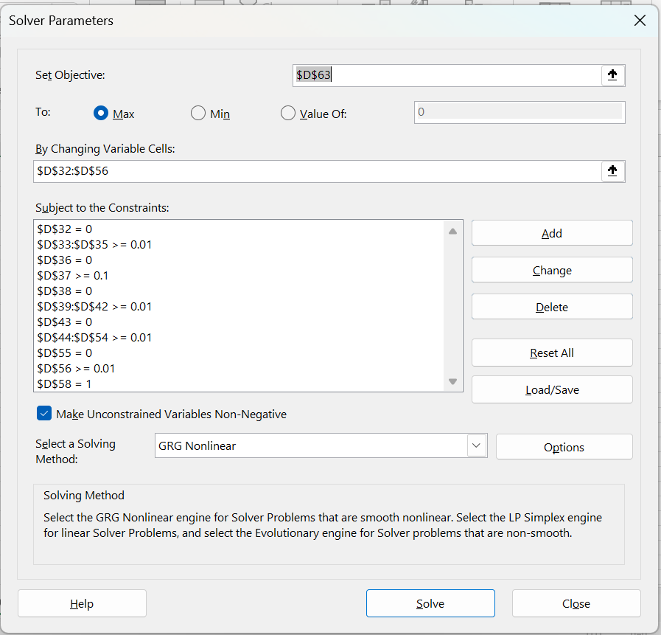
Std Deviation Portfolio (Monthly) | 0.074326772403 | 0.084088146633 | 0.09374908462 | 0.12656126424 | 0.070311813465
Std Deviation Portfolio Annual) | 0.25747549233 | 0.29128988457 | 0.32475635545 | 0.43842107986 | 0.24356726659
Mean/Std Dev | 0.94137919392 | 1.7644877345 | 2.1310965853 | 2.8446484594 | 1.6430739368

Question 1 - ALPHA
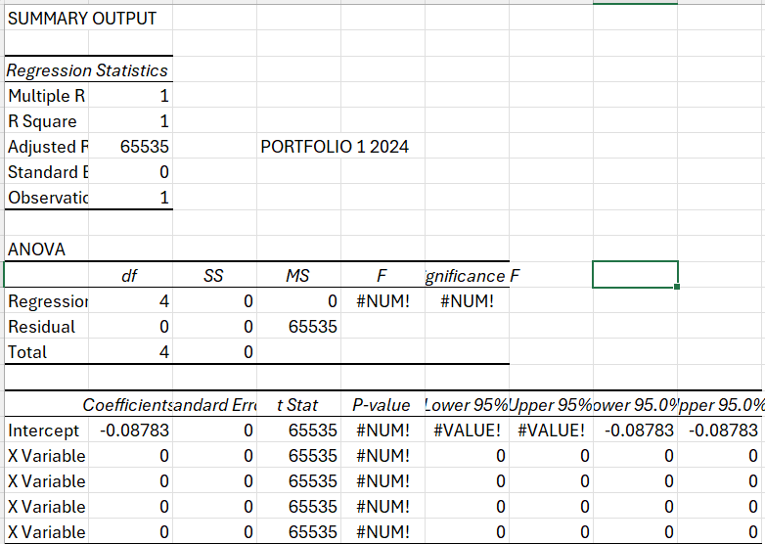
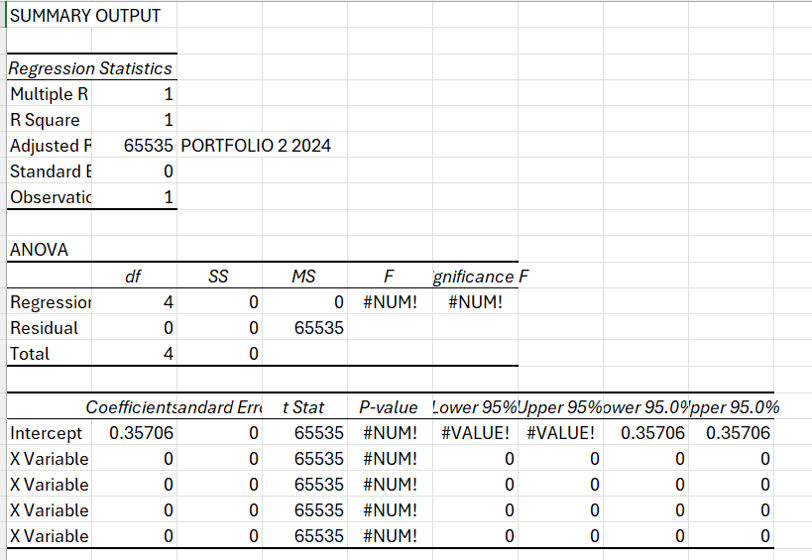
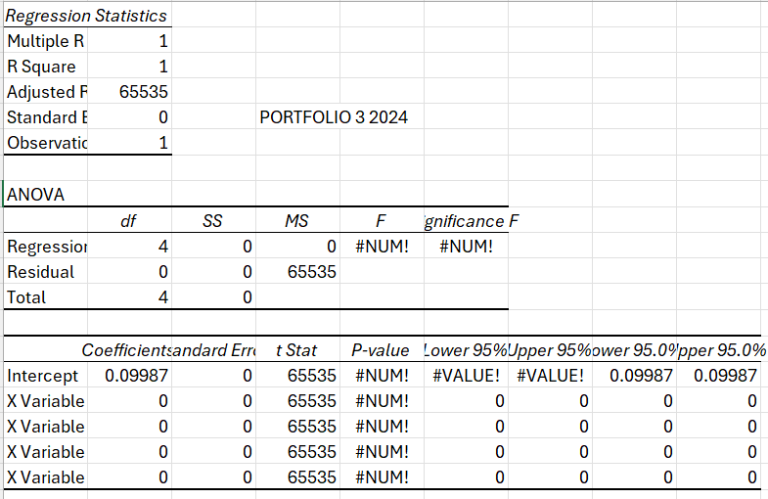
 | PORTFOLIO MONTHLY RETURN | RISK FREE RATE AVERAGE | PORTFOLIO EXCESS RETURN | AVERAGE MARKET EXCESS RETURN 2019-2024 | AVERAGE SMB 2019-2024 | AVERAGE HMML 2019-2024 | AVERAGE MOM 2019-2024
PORTFOLIO 1 2019-2023 | 0.016132060165 | 0.14683333333 | -0.13070127317 | 1.20 | -0.045166666667 | -0.04 | -0.12
PORTFOLIO 2 2019-2023 | 0.032987982942 | 0.14683333333 | -0.11384535039 | 1.20 | -0.045166666667 | -0.04 | 0.12
PORTFOLIO 3 2019-2023 | 0.042148737516 | 0.14683333333 | -0.10468459582 | 1.20 | -0.045166666667 | -0.04 | 0.12
PORTFOLIO 1 2024 | 0.33967280619 | 0.4275 | -0.087827193808 | 1.50 | -0.69833333333 | -0.57916666667 | 1.2916666667
PORTFOLIO 2 2024 | 0.78456023575 | 0.4275 | 0.35706023575 | 1.50 | -0.69833333333 | -0.57916666667 | 1.2916666667
PORTFOLIO 3 2024 | 0.52737420205 | 0.4275 | 0.09987420205 | 1.50 | -0.69833333333 | -0.57916666667 | 1.2916666667
 | ALPHA
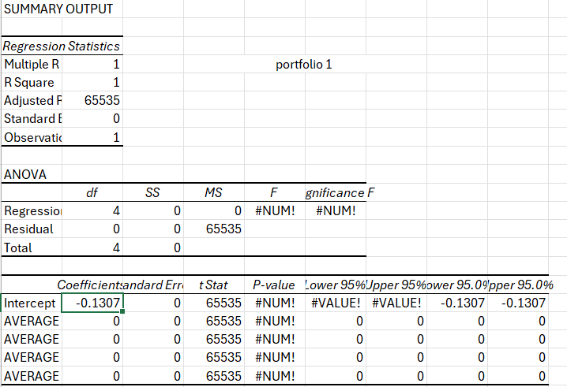
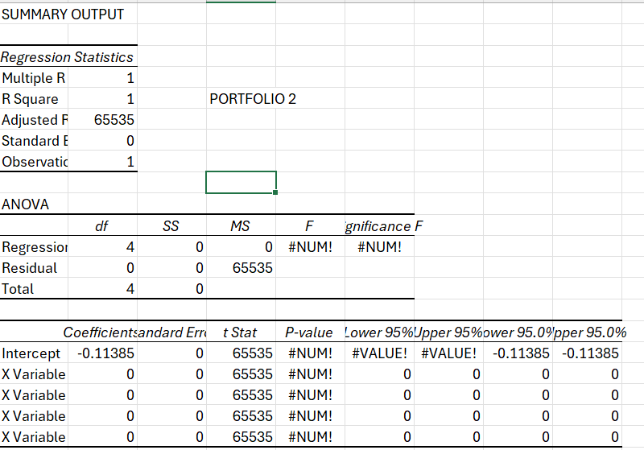
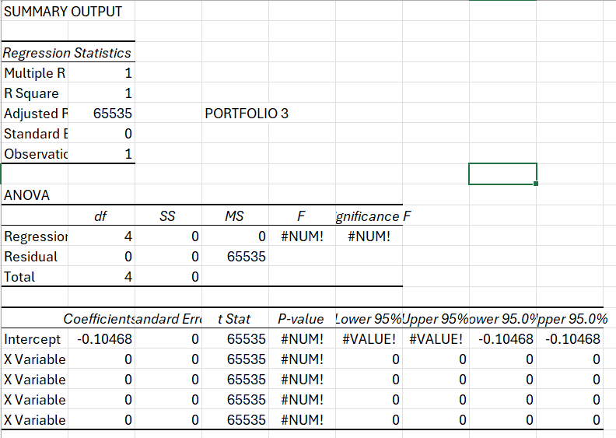
portfolio 1 | -0.13070127317
portfolio 2 | -0.11384535039
PORTFOLIO 3 | -0.10468459582
PORTFOLIO 1 2024 | -0.087827193808
PORTFOLIO 2 2024 | 0.35706023575
PORTFOLIO 3 2024 | 0.09987420205

Question 2A
Part A |  |  |  |  |  |  |  |  |  |  |  |  |  |  |  |  |  |  |  |  |  |  |  |  |  |  |  |  |  |  |  |  |  | 2 years |  |  | 3 years |  |  | 5 years |  |  | 7 years |  |  | 10 years |  |  | United States 7-Year Bond Yield |  |  |  |  |  | United States 20-Year Bond Yield |  |  |  |  |  | 30 years
All bonds face value | $100 |  |  |  |  |  |  |  |  |  |  |  |  |  |  |  |  |  |  |  |  |  |  |  |  |  |  |  |  |  |  |  |  | Date | Yield |  | Date | Yield |  | Date | Yield |  | Date | Yield |  | Date | Yield |  | Date | Yield | Open | High | Low |  | Date | Yield | Open | High | Low |  | Date | Yield
Information as per | 9.06.2025 |  |  |  |  |  |  |  |  |  | Coupon |  |  |  | Coupon |  |  |  | Coupon |  |  |  | Coupon |  |  |  | Coupon |  |  |  | Coupon |  |  | 1 | 1.924 | -0.073 | 1 | 1.879 | -0.06 | 1 | 1.916 | -0.065 | 1 | 2.024 | -0.056 | 1 | 2.133 | -0.049 | 1 | 0.5 | 4.424 | 4.459 | 4.408 | 0.201 | 1 | 1.179 | 4.658 | 4.695 | 4.643 | 0.271 | 1 | 2.571 | 0.004
 |  |  |  |  |  |  |  |  |  | Bond 3 yr | 1.875 |  |  | Bond 5 yr | 2 |  |  | Bond 7 yr | 2.0625 |  |  | Bond 10 yr | 2.125 |  |  | Bond 20 yr | 2.5 |  |  | Bond 30 yr | 2.375 |  |  | 2 | 1.851 | -0.006 | 2 | 1.819 | -0.029 | 2 | 1.851 | -0.015 | 2 | 1.968 | -0.017 | 2 | 2.084 | 0 | 2 | 0.701 | 4.499 | 4.507 | 4.309 | -0.157 | 2 | 1.45 | 4.735 | 4.742 | 4.567 | -0.208 | 2 | 2.575 | 0.013
 | 2-Year Bond Yield | 3-Year Bond Yield | 5-Year Bond Yield | 7-Year Bond Yield | 10-Year Bond Yield | 20-Year Bond Yield | 30-Year Bond Yield |  |  |  | PV | Weights |  |  | PV | Weights |  |  | PV | Weights |  |  | PV | Weights |  |  | PV | Weights |  |  | PV | Weights |  | 3 | 1.845 | -0.073 | 3 | 1.79 | -0.059 | 3 | 1.836 | -0.039 | 3 | 1.951 | -0.029 | 3 | 2.084 | -0.025 | 3 | 0.544 | 4.467 | 4.514 | 4.446 | -0.019 | 3 | 1.242 | 4.752 | 4.77 | 4.668 | -0.018 | 3 | 2.588 | -0.002
Coupon | 3.875% | 3.750% | 4.000% | 4.125% | 4.250% | 5.000% | 4.750% |  |  | 1 | 1.8380550926 | 0.018520554846 | 0.018520554846 | 1 | 1.9599196433 | 0.019678553402 | 0.019678553402 | 1 | 2.0189907494 | 0.020416057878 | 0.020416057878 | 1 | 2.0785445298 | 0.021157505505 | 0.021157505505 | 1 | 2.4391433728 | 0.024360831742 | 0.024360831742 | 1 | 2.3174123042 | 0.02399265691 | 0.02399265691 | 4 | 1.772 | -0.015 | 4 | 1.731 | -0.019 | 4 | 1.797 | -0.029 | 4 | 1.922 | -0.045 | 4 | 2.059 | -0.052 | 4 | 0.525 | 4.683 | 4.739 | 4.429 | -0.036 | 4 | 1.224 | 4.892 | 4.914 | 4.72 | -0.081 | 4 | 2.586 | -0.053
Maturity | 31.05.2027 | 15.05.2028 | 31.05.2030 | 31.05.2032 | 15.05.2035 | 15.05.20245 | 15.05.2055 |  |  | 2 | 1.8018381459 | 0.018155626748 | 0.036311253496 | 2 | 1.9206425041 | 0.019284191682 | 0.038568383364 | 2 | 1.9763993435 | 0.019985373088 | 0.039970746176 | 2 | 2.033104641 | 0.020694972861 | 0.041389945723 | 2 | 2.3797681573 | 0.02376782452 | 0.04753564904 | 2 | 2.2612209633 | 0.023410896141 | 0.046821792283 | 5 | 1.757 | 0.11 | 5 | 1.712 | 0.109 | 5 | 1.768 | 0.069 | 5 | 1.877 | 0.046 | 5 | 2.007 | 0.032 | 5 | 0.489 | 4.654 | 4.753 | 4.592 | 0.009 | 5 | 1.143 | 4.843 | 4.965 | 4.814 | 0.048 | 5 | 2.533 | 0.011
Price (USD) | 99.760 | 99.570 | 99.560 | 98.780 | 98.310 | 100.080 | 96.590 |  |  | 3 | 1.7663348161 | 0.017797889175 | 0.053393667526 | 3 | 1.8821524858 | 0.018897733041 | 0.056693199124 | 3 | 1.9347064201 | 0.019563773763 | 0.05869132129 | 3 | 1.9886581318 | 0.020242551828 | 0.060727655484 | 3 | 2.3218382919 | 0.023189252666 | 0.069567757998 | 3 | 2.2063921191 | 0.022843241588 | 0.068529724763 | 6 | 1.867 | -0.022 | 6 | 1.821 | 0.004 | 6 | 1.837 | 0.034 | 6 | 1.923 | 0.063 | 6 | 2.039 | 0.085 | 6 | 0.498 | 4.553 | 4.721 | 4.516 | -0.007 | 6 | 1.191 | 4.767 | 4.925 | 4.736 | -0.079 | 6 | 2.544 | 0.104
Yield | 4.040% | 4.020% | 4.090% | 4.310% | 4.470% | 4.990% | 4.970% |  |  | 4 | 1.7315310422 | 0.017447200447 | 0.069788801786 | 4 | 1.8444338143 | 0.018519019101 | 0.074076076403 | 4 | 1.8938930254 | 0.019151068243 | 0.076604272971 | 4 | 1.9451832854 | 0.019800021351 | 0.079200085403 | 4 | 2.265318593 | 0.022624764785 | 0.090499059138 | 4 | 2.1528927347 | 0.02228935121 | 0.089157404841 | 7 | 1.845 | -0.021 | 7 | 1.825 | -0.034 | 7 | 1.871 | -0.055 | 7 | 1.986 | -0.058 | 7 | 2.124 | -0.067 | 7 | 0.491 | 4.414 | 4.644 | 4.352 | -0.028 | 7 | 1.112 | 4.672 | 4.805 | 4.576 | -0.01 | 7 | 2.648 | -0.067
 | 0.0202 | 0.0201 | 0.02045 | 0.02155 | 0.02235 | 0.02495 | 0.02485 |  |  | 5 | 1.69741304 | 0.017103421671 | 0.085517108355 | 5 | 1.8074710317 | 0.018147894655 | 0.090739473275 | 5 | 1.8539406054 | 0.018747068908 | 0.093735344539 | 5 | 1.9026588598 | 0.019367165208 | 0.096835826042 | 5 | 2.2101747334 | 0.022074018035 | 0.11037009017 | 5 | 2.1006905739 | 0.021748891262 | 0.10874445631 | 8 | 1.824 | 0.036 | 8 | 1.791 | 0.032 | 8 | 1.816 | 0.038 | 8 | 1.928 | 0.024 | 8 | 2.057 | 0.017 | 8 | 0.463 | 4.198 | 4.431 | 4.193 | -0.02 | 8 | 1.102 | 4.452 | 4.702 | 4.448 | -0.088 | 8 | 2.581 | 0.015
 |  |  |  |  |  |  |  |  |  | 6 | 90.408889824 | 0.91097530711 | 5.4658518427 | 6 | 1.7712489898 | 0.017784207609 | 0.10670524566 | 6 | 1.8148309974 | 0.018351592098 | 0.11010955259 | 6 | 1.8610640777 | 0.018943771906 | 0.11366263144 | 6 | 2.1563732216 | 0.02153667792 | 0.12922006752 | 6 | 2.0497541825 | 0.021221536091 | 0.12732921654 | 9 | 1.86 | -0.15 | 9 | 1.823 | -0.152 | 9 | 1.854 | -0.193 | 9 | 1.952 | -0.214 | 9 | 2.074 | -0.231 | 9 | 0.443 | 4.198 | 4.276 | 4.187 | -0.056 | 9 | 1.014 | 4.46 | 4.537 | 4.431 | -0.043 | 9 | 2.596 | -0.22
 |  |  |  |  |  |  |  |  |  |  | 99.244061961 | 1 | 5.7293832287 | 7 | 1.7357528441 | 0.017427808917 | 0.12199466242 | 7 | 1.776546422 | 0.017964458028 | 0.12575120619 | 7 | 1.8203786156 | 0.018529634574 | 0.12970744201 | 7 | 2.1038813811 | 0.021012418089 | 0.14708692662 | 7 | 2.0000528687 | 0.020706967937 | 0.14494877556 | 10 | 1.71 | -0.061 | 10 | 1.671 | -0.08 | 10 | 1.661 | -0.082 | 10 | 1.738 | -0.085 | 10 | 1.843 | -0.098 | 10 | 0.387 | 4.33 | 4.371 | 4.202 | 0.02 | 10 | 0.971 | 4.548 | 4.593 | 4.462 | 0.036 | 10 | 2.376 | -0.117
 |  |  |  |  |  |  |  |  |  |  |  |  |  | 8 | 1.7009680476 | 0.017078552518 | 0.13662842014 | 8 | 1.7390694748 | 0.017585490703 | 0.14068392562 | 8 | 1.7805825947 | 0.018124550862 | 0.14499640689 | 8 | 2.0526673312 | 0.020500920132 | 0.16400736105 | 8 | 1.9515566851 | 0.02020487675 | 0.161639014 | 11 | 1.649 | -0.162 | 11 | 1.591 | -0.153 | 11 | 1.579 | -0.156 | 11 | 1.653 | -0.156 | 11 | 1.745 | -0.183 | 11 | 0.407 | 4.08 | 4.343 | 4.046 | 0.094 | 11 | 1.007 | 4.357 | 4.565 | 4.326 | 0.193 | 11 | 2.259 | -0.215
Modified Duration bond 2 | 1.9051138186 |  |  |  |  |  |  |  |  |  |  |  |  | 9 | 1.6668803445 | 0.01673629528 | 0.15062665752 | 9 | 1.7023831186 | 0.017214517844 | 0.15493066059 | 9 | 1.7416565703 | 0.017728322846 | 0.15955490562 | 9 | 2.002699967 | 0.020001873391 | 0.18001686052 | 9 | 1.9042364103 | 0.019714959994 | 0.17743463995 | 12 | 1.487 | 0.044 | 12 | 1.438 | 0.013 | 12 | 1.423 | -0.009 | 12 | 1.497 | -0.021 | 12 | 1.562 | -0.029 | 12 | 0.501 | 4.203 | 4.245 | 4.022 | -0.053 | 12 | 1.2 | 4.465 | 4.508 | 4.3 | -0.071 | 12 | 2.044 | -0.017
Modified Duration bond 3 | 2.8082458723 |  |  |  |  |  |  |  |  |  | Coupon |  |  | 10 | 83.307264022 | 0.8364457438 | 8.364457438 | 10 | 1.6664706756 | 0.016851370803 | 0.16851370803 | 10 | 1.7035815233 | 0.017340756929 | 0.17340756929 | 10 | 1.9539489409 | 0.01951497477 | 0.1951497477 | 10 | 1.8580635315 | 0.019236922471 | 0.19236922471 | 13 | 1.531 | -0.021 | 13 | 1.451 | -0.019 | 13 | 1.414 | -0.023 | 13 | 1.476 | -0.021 | 13 | 1.533 | -0.034 | 13 | 0.448 | 4.293 | 4.35 | 4.186 | 0.052 | 13 | 1.129 | 4.518 | 4.619 | 4.45 | 0.147 | 13 | 2.027 | -0.064
Modified Duration bond 5 | 4.4882983533 |  |  |  |  |  |  |  |  | Bond 2 yr | 1.9375 |  |  |  | 99.596733727 | 1 | 9.1601681093 | 11 | 1.6313158197 | 0.016495884492 | 0.18145472941 | 11 | 1.66633885 | 0.016961663744 | 0.18657830119 | 11 | 1.9063846441 | 0.019039928553 | 0.20943921408 | 11 | 1.8130102274 | 0.018770476139 | 0.20647523753 | 14 | 1.51 | 0.03 | 14 | 1.432 | 0.043 | 14 | 1.391 | 0.04 | 14 | 1.455 | 0.053 | 14 | 1.499 | 0.061 | 14 | 0.5 | 4.328 | 4.401 | 4.249 | 0.005 | 14 | 1.276 | 4.601 | 4.662 | 4.503 | -0.016 | 14 | 1.963 | 0.062
Modified Duration bond 7 | 6.0154594967 |  |  |  |  |  |  |  |  | 1 | 1.899137424 | 0.019051192167 | 0.019051192167 |  |  |  |  | 12 | 1.5969025693 | 0.016147897305 | 0.19377476766 | 12 | 1.6299103536 | 0.016590858066 | 0.1990902968 | 12 | 1.8599781883 | 0.01857644622 | 0.22291735464 | 12 | 1.769049351 | 0.018315339941 | 0.21978407929 | 15 | 1.54 | 0.264 | 15 | 1.475 | 0.291 | 15 | 1.431 | 0.326 | 15 | 1.508 | 0.328 | 15 | 1.56 | 0.341 | 15 | 0.505 | 4.193 | 4.355 | 4.135 | -0.055 | 15 | 1.26 | 4.523 | 4.611 | 4.455 | -0.06 | 15 | 2.025 | 0.35
Modified Duration bond 10 | 8.0508721252 |  |  |  |  |  |  |  |  | 2 | 1.8615344286 | 0.018673977815 | 0.037347955629 |  |  |  |  | 13 | 1.56321528 | 0.015807251045 | 0.20549426358 | 13 | 1.594278235 | 0.016228158719 | 0.21096606335 | 13 | 1.8147013886 | 0.018124246275 | 0.23561520158 | 13 | 1.7261544138 | 0.017871239636 | 0.23232611527 | 16 | 1.804 | -0.117 | 16 | 1.766 | -0.145 | 16 | 1.757 | -0.157 | 16 | 1.836 | -0.167 | 16 | 1.901 | -0.179 | 16 | 0.45 | 4.043 | 4.194 | 4.041 | 0.029 | 16 | 1.2 | 4.356 | 4.495 | 4.352 | 0.034 | 16 | 2.375 | -0.216
Modified Duration bond 20 | 12.556771375 |  |  |  |  |  |  |  |  | 3 | 1.8246759739 | 0.018304232322 | 0.054912696965 |  |  |  |  | 14 | 75.723627116 | 0.7657181958 | 10.720054741 | 14 | 1.5594250844 | 0.015873388486 | 0.22222743881 | 14 | 1.7705267463 | 0.017683054076 | 0.24756275706 | 14 | 1.6842995695 | 0.017437907632 | 0.24413070684 | 17 | 1.687 | -0.049 | 17 | 1.621 | -0.045 | 17 | 1.6 | -0.035 | 17 | 1.669 | -0.039 | 17 | 1.722 | -0.035 | 17 | 0.479 | 4.101 | 4.106 | 3.786 | -0.022 | 17 | 1.234 | 4.493 | 4.494 | 4.163 | -0.056 | 17 | 2.159 | -0.028
Modified Duration bond 30 | 15.651926731 |  |  |  |  |  |  |  |  | 4 | 94.100666961 | 0.9439705977 | 3.7758823908 |  |  |  |  |  | 98.892291617 | 1 | 12.290185298 | 15 | 1.5253338723 | 0.015526374027 | 0.2328956104 | 15 | 1.7274274319 | 0.017252601664 | 0.25878902497 | 15 | 1.6434595985 | 0.017015082823 | 0.25522624235 | 18 | 1.638 | -0.232 | 18 | 1.576 | -0.215 | 18 | 1.565 | -0.216 | 18 | 1.63 | -0.184 | 18 | 1.687 | -0.158 | 18 | 0.457 | 4.11 | 4.162 | 4.044 | 0.029 | 18 | 1.178 | 4.466 | 4.541 | 4.41 | 0.08 | 18 | 2.131 | -0.117
 |  |  |  |  |  |  |  |  |  |  | 99.686014787 | 1 | 3.8871942355 |  |  |  |  |  |  |  |  | 16 | 1.4919879418 | 0.015186945788 | 0.24299113261 | 16 | 1.685377269 | 0.016832627606 | 0.26932204169 | 16 | 1.6036098927 | 0.016602510439 | 0.26564016702 | 19 | 1.406 | 0.191 | 19 | 1.361 | 0.207 | 19 | 1.349 | 0.207 | 19 | 1.446 | 0.2 | 19 | 1.529 | 0.205 | 19 | 0.486 | 3.935 | 4.168 | 3.927 | 0.065 | 19 | 1.258 | 4.33 | 4.529 | 4.326 | 0.08 | 19 | 2.014 | 0.183
 |  |  |  |  |  |  |  |  |  |  |  |  |  |  |  |  |  |  |  |  |  | 17 | 1.459371 | 0.014854937926 | 0.25253394474 | 17 | 1.6443507186 | 0.016422876829 | 0.27918890609 | 17 | 1.5647264406 | 0.016199941883 | 0.27539901201 | 20 | 1.597 | -0.019 | 20 | 1.568 | -0.013 | 20 | 1.556 | 0.01 | 20 | 1.646 | 0.01 | 20 | 1.734 | 0.02 | 20 | 0.551 | 4.036 | 4.061 | 3.863 | -0.02 | 20 | 1.338 | 4.358 | 4.387 | 4.267 | -0.035 | 20 | 2.197 | 0.052
 |  |  |  |  |  |  |  |  |  |  |  |  |  |  |  |  |  |  |  |  |  | 18 | 1.4274671101 | 0.014530188219 | 0.26154338794 | 18 | 1.6043228632 | 0.016023100472 | 0.2884158085 | 18 | 1.5267858132 | 0.015807134589 | 0.2845284226 | 21 | 1.578 | 0.046 | 21 | 1.555 | 0.067 | 21 | 1.566 | 0.06 | 21 | 1.656 | 0.057 | 21 | 1.754 | 0.045 | 21 | 0.531 | 3.919 | 4.114 | 3.884 | 0.075 | 21 | 1.303 | 4.222 | 4.396 | 4.188 | 0.1 | 21 | 2.249 | 0.04
 |  |  |  |  |  |  |  |  |  |  |  |  |  |  |  |  |  |  |  |  |  | 19 | 1.3962606838 | 0.014212537995 | 0.2700382219 | 19 | 1.5652693918 | 0.015633055731 | 0.2970280589 | 19 | 1.4897651492 | 0.01542385187 | 0.29305318552 | 22 | 1.624 | -0.07 | 22 | 1.622 | -0.076 | 22 | 1.626 | -0.082 | 22 | 1.713 | -0.083 | 22 | 1.799 | -0.085 | 22 | 0.606 | 3.916 | 3.93 | 3.803 | 0.038 | 22 | 1.403 | 4.217 | 4.22 | 4.094 | 0.021 | 22 | 2.289 | -0.096
 |  |  |  |  |  |  |  |  |  |  |  |  |  |  |  |  |  |  |  |  |  | 20 | 65.635688173 | 0.66810569316 | 13.362113863 | 20 | 1.5271665855 | 0.015252505714 | 0.30505011428 | 20 | 1.453642142 | 0.01504986278 | 0.30099725559 | 23 | 1.554 | 0.126 | 23 | 1.546 | 0.165 | 23 | 1.544 | 0.207 | 23 | 1.63 | 0.232 | 23 | 1.714 | 0.231 | 23 | 0.644 | 3.952 | 3.99 | 3.843 | -0.052 | 23 | 1.424 | 4.215 | 4.258 | 4.143 | -0.054 | 23 | 2.193 | 0.234
 |  |  |  |  |  |  |  |  |  |  |  |  |  |  |  |  |  |  |  |  |  |  | 98.241474133 | 1 | 16.461618234 | 21 | 1.4899913025 | 0.014881219293 | 0.31250560514 | 21 | 1.4183950256 | 0.014684941972 | 0.3083837814 | 24 | 1.68 | -0.066 | 24 | 1.711 | -0.094 | 24 | 1.751 | -0.098 | 24 | 1.862 | -0.11 | 24 | 1.945 | -0.109 | 24 | 0.592 | 4.283 | 4.341 | 3.889 | 0.062 | 24 | 1.37 | 4.501 | 4.555 | 4.176 | 0.051 | 24 | 2.427 | -0.119
 |  |  |  |  |  |  |  |  |  |  |  |  |  |  |  |  |  |  |  |  |  |  |  |  |  | 22 | 1.4537209645 | 0.014518970967 | 0.31941736127 | 22 | 1.3840025619 | 0.014328869563 | 0.31523513039 | 25 | 1.614 | 0.012 | 25 | 1.617 | -0.006 | 25 | 1.653 | -0.029 | 25 | 1.752 | -0.044 | 25 | 1.836 | -0.065 | 25 | 0.654 | 4.23 | 4.326 | 4.136 | -0.048 | 25 | 1.421 | 4.575 | 4.636 | 4.383 | -0.1 | 25 | 2.308 | -0.089
 |  |  |  |  |  |  |  |  |  |  |  |  |  |  |  |  |  |  |  |  |  |  |  |  |  | 23 | 1.4183335426 | 0.014165540726 | 0.32580743669 | 23 | 1.3504440278 | 0.013981431003 | 0.32157291306 | 26 | 1.626 | -0.014 | 26 | 1.611 | -0.002 | 26 | 1.624 | 0 | 26 | 1.708 | 0.021 | 26 | 1.771 | 0.003 | 26 | 0.606 | 4.535 | 4.56 | 4.201 | 0.008 | 26 | 1.321 | 4.821 | 4.841 | 4.559 | 0.043 | 26 | 2.219 | -0.016
 | 5-Year Bond Yield | 7-Year Bond Yield | 10-Year Bond Yield |  |  | Standard deviation | Price Value Basis Point |  |  |  |  |  |  |  |  |  |  |  |  |  |  |  |  |  |  | 24 | 1.3838075443 | 0.013820713914 | 0.33169713393 | 24 | 1.3176992026 | 0.013642416942 | 0.3274180066 | 27 | 1.612 | 0.007 | 27 | 1.609 | 0.035 | 27 | 1.624 | 0.044 | 27 | 1.729 | 0.049 | 27 | 1.774 | 0.069 | 27 | 0.614 | 4.489 | 4.537 | 4.394 | 0.091 | 27 | 1.364 | 4.826 | 4.852 | 4.706 | 0.169 | 27 | 2.203 | 0.081
Coupon | 4.000% | 4.125% | 4.250% |  | Bond 5-y | 0.13424646284 | 0.044685498405 |  | Correlation B5 - B7 | 0.97972708579 |  |  |  |  |  |  |  |  |  |  |  |  |  |  |  | 25 | 1.3501220004 | 0.0134842811 | 0.33710702751 | 25 | 1.285748356 | 0.013311623107 | 0.33279057768 | 28 | 1.619 | -0.011 | 28 | 1.644 | -0.019 | 28 | 1.668 | -0.012 | 28 | 1.778 | -0.016 | 28 | 1.843 | -0.019 | 28 | 0.705 | 4.71 | 4.755 | 4.396 | -0.078 | 28 | 1.533 | 4.983 | 5.02 | 4.759 | -0.114 | 28 | 2.284 | -0.03
Maturity | 31.05.2030 | 31.05.2032 | 15.05.2035 |  | Bond 7-y | 0.13216548355 | 0.059420708909 |  | Correlation B5 - B10 | 0.93035484808 |  |  |  |  |  |  |  |  |  |  |  |  |  |  |  | 26 | 1.317256452 | 0.013156037953 | 0.34205698679 | 26 | 1.2545722359 | 0.01298885018 | 0.33771010469 | 29 | 1.608 | 0.024 | 29 | 1.625 | 0.038 | 29 | 1.656 | 0.078 | 29 | 1.762 | 0.087 | 29 | 1.824 | 0.095 | 29 | 0.627 | 4.578 | 4.715 | 4.517 | 0.033 | 29 | 1.419 | 4.959 | 5.02 | 4.806 | 0.066 | 29 | 2.254 | 0.09
Price (USD) | 99.560 | 98.780 | 98.310 |  | Bond 10-y | 0.12806444815 | 0.079148123863 |  | Correlation B7 - B10 | 0.98048245022 |  |  |  |  |  |  |  |  |  |  |  |  |  |  |  | 27 | 1.285190938 | 0.012835785115 | 0.3465661981 | 27 | 1.2241520573 | 0.012673903674 | 0.3421953992 | 30 | 1.632 | -0.045 | 30 | 1.663 | -0.063 | 30 | 1.734 | -0.056 | 30 | 1.849 | -0.049 | 30 | 1.919 | -0.042 | 30 | 0.66 | 4.883 | 4.939 | 4.501 | -0.013 | 30 | 1.485 | 5.241 | 5.289 | 4.851 | -0.026 | 30 | 2.344 | -0.026
Yield | 4.090% | 4.310% | 4.470% |  |  |  |  |  |  |  |  |  |  |  |  |  |  |  |  |  |  |  |  |  |  | 28 | 1.2539059838 | 0.012523328079 | 0.35065318621 | 28 | 1.1944694905 | 0.012366593818 | 0.3462646269 | 31 | 1.587 | -0.054 | 31 | 1.6 | -0.054 | 31 | 1.678 | -0.084 | 31 | 1.8 | -0.091 | 31 | 1.877 | -0.084 | 31 | 0.647 | 4.958 | 5.019 | 4.817 | 0.001 | 31 | 1.459 | 5.332 | 5.388 | 5.144 | -0.016 | 31 | 2.318 | -0.069
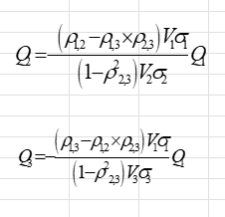
 | 0.02045 | 0.02155 | 0.02235 |  |  |  |  |  |  |  |  |  |  |  |  |  |  |  |  |  |  |  |  |  |  | 29 | 1.2233825882 | 0.012218477076 | 0.35433583521 | 29 | 1.1655066502 | 0.012066735442 | 0.34993532782 | 32 | 1.533 | 0.037 | 32 | 1.546 | 0.04 | 32 | 1.594 | 0.039 | 32 | 1.709 | 0.031 | 32 | 1.793 | 0.027 | 32 | 0.648 | 4.682 | 5.031 | 4.675 | 0.165 | 32 | 1.443 | 5.001 | 5.363 | 4.997 | 0.227 | 32 | 2.249 | 0.03
 |  |  |  |  |  |  |  |  |  |  |  |  |  |  |  |  |  |  |  |  |  |  |  |  |  | 30 | 1.193602213 | 0.011921046955 | 0.35763140864 | 30 | 1.137246085 | 0.011774147867 | 0.35322443602 | 33 | 1.57 | -0.005 | 33 | 1.586 | -0.011 | 33 | 1.633 | -0.01 | 33 | 1.74 | -0.005 | 33 | 1.82 | 0.005 | 33 | 0.813 | 4.627 | 4.753 | 4.561 | -0.04 | 33 | 1.67 | 5.009 | 5.109 | 4.869 | -0.032 | 33 | 2.279 | 0.006
Conventional | Q2 = | -132.97537463 |  |  |  |  |  |  |  |  |  |  |  |  |  |  |  |  |  |  |  |  |  |  |  | 31 | 1.164546771 | 0.011630857071 | 0.36055656919 | 31 | 1.1096707665 | 0.011488654796 | 0.35614829867 | 34 | 1.565 | -0.07 | 34 | 1.575 | -0.094 | 34 | 1.623 | -0.114 | 34 | 1.735 | -0.131 | 34 | 1.825 | -0.139 | 34 | 0.773 | 4.659 | 4.913 | 4.646 | -0.011 | 34 | 1.638 | 4.935 | 5.252 | 4.923 | 0.015 | 34 | 2.285 | -0.15
 | Q3 = | -75.075322078 |  |  |  |  |  |  |  |  |  |  |  |  |  |  |  |  |  |  |  |  |  |  |  | 32 | 1.1361986156 | 0.011347731178 | 0.36312739769 | 32 | 1.0827640791 | 0.011210084203 | 0.35872269451 | 35 | 1.495 | -0.176 | 35 | 1.481 | -0.184 | 35 | 1.509 | -0.194 | 35 | 1.604 | -0.184 | 35 | 1.686 | -0.181 | 35 | 0.762 | 4.526 | 4.756 | 4.526 | 0 | 35 | 1.653 | 4.724 | 5.009 | 4.722 | -0.004 | 35 | 2.135 | -0.138
 |  |  |  |  |  |  |  |  |  |  |  |  |  |  |  |  |  |  |  |  |  |  |  |  |  | 33 | 1.1085405294 | 0.01107149732 | 0.36535941155 | 33 | 1.0565098103 | 0.010938268238 | 0.36096285184 | 36 | 1.319 | 0.082 | 36 | 1.297 | 0.091 | 36 | 1.315 | 0.089 | 36 | 1.42 | 0.085 | 36 | 1.505 | 0.077 | 36 | 0.762 | 4.397 | 4.601 | 4.393 | 0.062 | 36 | 1.649 | 4.569 | 4.786 | 4.565 | 0.137 | 36 | 1.997 | 0.049
Optimal | Q2 = | -65.759461289 |  |  |  |  |  |  |  |  |  |  |  |  |  |  |  |  |  |  |  |  |  |  |  | 34 | 1.0815557143 | 0.010801987726 | 0.36726758268 | 34 | 1.0308921406 | 0.010673043116 | 0.36288346595 | 37 | 1.401 | 0.029 | 37 | 1.388 | 0.011 | 37 | 1.404 | 0.014 | 37 | 1.505 | 0.005 | 37 | 1.582 | 0.006 | 37 | 0.824 | 4.382 | 4.448 | 4.303 | 0.023 | 37 | 1.786 | 4.55 | 4.618 | 4.502 | 0.047 | 37 | 2.046 | -0.008
 | Q3 = | -39.759050172 |  |  |  |  |  |  |  |  |  |  |  |  |  |  |  |  |  |  |  |  |  |  |  | 35 | 1.0552277812 | 0.01053903871 | 0.36886635485 | 35 | 1.0058956341 | 0.010414249028 | 0.36449871598 | 38 | 1.43 | -0.076 | 38 | 1.399 | -0.08 | 38 | 1.418 | -0.096 | 38 | 1.51 | -0.105 | 38 | 1.588 | -0.115 | 38 | 0.847 | 4.293 | 4.404 | 4.288 | 0.125 | 38 | 1.833 | 4.505 | 4.613 | 4.488 | 0.142 | 38 | 2.038 | -0.121
 |  |  |  |  |  |  |  |  |  |  |  |  |  |  |  |  |  |  |  |  |  |  |  |  |  | 36 | 1.0295407397 | 0.01028249057 | 0.37016966053 | 36 | 0.98150522916 | 0.010161730036 | 0.36582228131 | 39 | 1.354 | -0.423 | 39 | 1.319 | -0.403 | 39 | 1.322 | -0.37 | 39 | 1.405 | -0.326 | 39 | 1.473 | -0.31 | 39 | 0.972 | 4.382 | 4.385 | 4.138 | 0.148 | 39 | 1.975 | 4.505 | 4.516 | 4.37 | 0.072 | 39 | 1.917 | -0.233
 |  |  |  |  |  |  |  |  |  |  |  |  |  |  |  |  |  |  |  |  |  |  |  |  |  | 37 | 1.0044789889 | 0.010032187492 | 0.37119093722 | 37 | 0.95770622936 | 0.0099153339869 | 0.36686735752 | 40 | 0.931 | -0.421 | 40 | 0.916 | -0.358 | 40 | 0.952 | -0.339 | 40 | 1.079 | -0.358 | 40 | 1.163 | -0.39 | 40 | 1.12 | 4.352 | 4.462 | 4.289 | 0.122 | 40 | 2.047 | 4.568 | 4.663 | 4.445 | 0.152 | 40 | 1.684 | -0.387
 |  |  |  |  |  |  |  |  |  |  |  |  |  |  |  |  |  |  |  |  |  |  |  |  |  | 38 | 0.9800273076 | 0.0097879774549 | 0.37194314329 | 38 | 0.93448429463 | 0.0096749124134 | 0.36764667171 | 41 | 0.51 | -0.002 | 41 | 0.558 | 0.066 | 41 | 0.613 | 0.118 | 41 | 0.721 | 0.209 | 41 | 0.773 | 0.21 | 41 | 1.242 | 4.269 | 4.427 | 4.24 | 0.043 | 41 | 2.199 | 4.457 | 4.609 | 4.422 | 0.092 | 41 | 1.297 | 0.3
 |  |  |  |  |  |  |  |  |  |  |  |  |  |  |  |  |  |  |  |  |  |  |  |  |  | 39 | 0.95617084501 | 0.0095497121371 | 0.37243877335 | 39 | 0.91182543263 | 0.0094403204502 | 0.36817249756 | 42 | 0.508 | -0.183 | 42 | 0.624 | -0.237 | 42 | 0.731 | -0.25 | 42 | 0.93 | -0.162 | 42 | 0.983 | -0.098 | 42 | 1.285 | 4.105 | 4.268 | 4.021 | 0.089 | 42 | 2.291 | 4.374 | 4.464 | 4.296 | 0.057 | 42 | 1.597 | -0.124
 |  |  |  |  |  |  |  |  |  |  |  |  |  |  |  |  |  |  |  |  |  |  |  |  |  | 40 | 38.248699591 | 0.38200711998 | 15.280284799 | 40 | 0.88971599028 | 0.0092114167441 | 0.36845666977 | 43 | 0.325 | -0.077 | 43 | 0.387 | -0.089 | 43 | 0.481 | -0.081 | 43 | 0.768 | -0.198 | 43 | 0.885 | -0.209 | 43 | 1.374 | 4.083 | 4.311 | 4.047 | -0.04 | 43 | 2.348 | 4.227 | 4.508 | 4.188 | -0.069 | 43 | 1.473 | -0.229
 |  |  |  |  |  |  |  |  |  |  |  |  |  |  |  |  |  |  |  |  |  |  |  |  |  |  | 100.12561963 | 1 | 25.740125642 | 41 | 0.86814264553 | 0.0089880633694 | 0.36851059815 | 44 | 0.248 | -0.021 | 44 | 0.298 | -0.001 | 44 | 0.4 | -0.014 | 44 | 0.57 | -0.051 | 44 | 0.676 | -0.077 | 44 | 1.334 | 3.982 | 4.171 | 3.925 | 0.029 | 44 | 2.279 | 4.111 | 4.295 | 4.063 | -0.045 | 44 | 1.244 | -0.027
 |  |  |  |  |  |  |  |  |  |  |  |  |  |  |  |  |  |  |  |  |  |  |  |  |  |  |  |  |  | 42 | 0.84709239941 | 0.0087701257447 | 0.36834528128 | 45 | 0.227 | 0.004 | 45 | 0.297 | 0.005 | 45 | 0.386 | 0.025 | 45 | 0.519 | 0.085 | 45 | 0.599 | 0.13 | 45 | 1.363 | 3.94 | 4.01 | 3.829 | -0.038 | 45 | 2.234 | 4.102 | 4.13 | 4.018 | -0.014 | 45 | 1.217 | 0.136
 |  |  |  |  |  |  |  |  |  |  |  |  |  |  |  |  |  |  |  |  |  |  |  |  |  |  |  |  |  | 43 | 0.82655256809 | 0.0085574725517 | 0.36797131973 | 46 | 0.231 | -0.029 | 46 | 0.302 | -0.052 | 46 | 0.411 | -0.053 | 46 | 0.604 | -0.082 | 46 | 0.729 | -0.087 | 46 | 1.325 | 4.226 | 4.252 | 3.852 | -0.055 | 46 | 2.22 | 4.278 | 4.309 | 4.057 | -0.052 | 46 | 1.353 | -0.088
 |  |  |  |  |  |  |  |  |  |  |  |  |  |  |  |  |  |  |  |  |  |  |  |  |  |  |  |  |  | 44 | 0.80651077532 | 0.0083499756567 | 0.36739892889 | 47 | 0.202 | 0.02 | 47 | 0.25 | 0.021 | 47 | 0.358 | 0.017 | 47 | 0.522 | -0.001 | 47 | 0.642 | -0.037 | 47 | 1.27 | 4.008 | 4.6 | 3.933 | -0.021 | 47 | 2.168 | 4.078 | 4.29 | 4.018 | -0.044 | 47 | 1.265 | -0.09
 |  |  |  |  |  |  |  |  |  |  |  |  |  |  |  |  |  |  |  |  |  |  |  |  |  |  |  |  |  | 45 | 0.78695494494 | 0.0081475100324 | 0.36663795146 | 48 | 0.222 | -0.024 | 48 | 0.271 | -0.021 | 48 | 0.375 | -0.022 | 48 | 0.521 | -0.007 | 48 | 0.605 | 0.013 | 48 | 1.249 | 3.857 | 4.044 | 3.81 | 0.062 | 48 | 2.124 | 4 | 4.148 | 3.958 | 0.054 | 48 | 1.175 | 0.078
 | 3-Year Bond Yield | 5-Year Bond Yield | 7-Year Bond Yield |  |  |  |  |  |  |  |  |  |  |  |  |  |  |  |  |  |  |  |  |  |  |  |  |  |  | 46 | 0.7678732936 | 0.0079499536833 | 0.36569786943 | 49 | 0.198 | -0.037 | 49 | 0.25 | -0.035 | 49 | 0.353 | -0.019 | 49 | 0.514 | 0.02 | 49 | 0.618 | 0.067 | 49 | 1.311 | 3.927 | 3.939 | 3.812 | -0.073 | 49 | 2.178 | 4.106 | 4.107 | 3.971 | -0.016 | 49 | 1.253 | 0.133
Coupon | 3.750% | 4.000% | 4.125% |  |  | Standard deviation | Price Value Basis Point |  |  |  |  |  |  |  |  |  |  |  |  |  |  |  |  |  |  |  |  |  |  | 47 | 0.74925432365 | 0.0077571875722 | 0.36458781589 | 50 | 0.161 | -0.01 | 50 | 0.215 | -0.024 | 50 | 0.334 | -0.023 | 50 | 0.534 | -0.043 | 50 | 0.685 | -0.041 | 50 | 1.238 | 3.845 | 3.983 | 3.755 | 0.045 | 50 | 2.162 | 4.049 | 4.128 | 3.988 | 0.079 | 50 | 1.386 | -0.061
Maturity | 15.05.2028 | 31.05.2030 | 31.05.2032 |  | Bond 2-y | 0.13071436063 | 0.019005415455 |  | Correlation 2-7 | 0.83184770247 |  |  |  |  |  |  |  |  |  |  |  |  |  |  |  |  |  |  |  | 48 | 0.73108681627 | 0.0075690955478 | 0.36331658629 | 51 | 0.151 | 0.019 | 51 | 0.191 | 0.016 | 51 | 0.311 | 0.022 | 51 | 0.491 | 0.016 | 51 | 0.644 | 0.013 | 51 | 1.283 | 3.796 | 3.91 | 3.729 | -0.003 | 51 | 2.241 | 4.05 | 4.151 | 3.994 | -0.013 | 51 | 1.325 | 0.045
Price (USD) | 99.570 | 99.560 | 98.780 |  | Bond 3-y | 0.13546133014 | 0.027961704151 |  | Correlation 3-7 | 0.91199110345 |  |  |  |  |  |  |  |  |  |  |  |  |  |  |  |  |  |  |  | 49 | 0.71335982463 | 0.0073855642756 | 0.3618926495 | 52 | 0.17 | -0.006 | 52 | 0.207 | -0.01 | 52 | 0.333 | -0.029 | 52 | 0.507 | -0.007 | 52 | 0.657 | -0.004 | 52 | 1.28 | 3.846 | 4.32 | 3.62 | -0.032 | 52 | 2.228 | 4.102 | 4.108 | 3.933 | -0.048 | 52 | 1.37 | 0.041
Yield | 4.020% | 4.090% | 4.310% |  | Bond 7-y | 0.13216548355 | 0.059420708909 |  | Correlation 2-3 | 0.96791804632 |  |  |  |  |  |  |  |  |  |  |  |  |  |  |  |  |  |  |  | 50 | 0.69606266734 | 0.0072064831688 | 0.36032415844 | 53 | 0.164 | 0.046 | 53 | 0.197 | 0.088 | 53 | 0.304 | 0.159 | 53 | 0.5 | 0.201 | 53 | 0.653 | 0.24 | 53 | 1.248 | 3.7 | 3.926 | 3.669 | -0.02 | 53 | 2.18 | 4.056 | 4.19 | 4.032 | -0.03 | 53 | 1.411 | 0.258
 | 0.0201 | 0.02045 | 0.02155 |  |  |  |  |  |  |  |  |  |  |  |  |  |  |  |  |  |  |  |  |  |  |  |  |  |  | 51 | 0.67918492203 | 0.0070317443224 | 0.35861896044 | 54 | 0.21 | -0.015 | 54 | 0.285 | -0.058 | 54 | 0.463 | -0.13 | 54 | 0.701 | -0.157 | 54 | 0.893 | -0.183 | 54 | 1.228 | 3.457 | 3.759 | 3.431 | -0.081 | 54 | 2.15 | 3.877 | 4.089 | 3.864 | -0.085 | 54 | 1.669 | -0.208
 |  |  |  |  |  |  |  |  |  |  |  |  |  |  |  |  |  |  |  |  |  |  |  |  |  |  |  |  |  | 52 | 0.66271641902 | 0.0068612424476 | 0.35678460727 | 55 | 0.195 | -0.005 | 55 | 0.227 | -0.009 | 55 | 0.333 | -0.008 | 55 | 0.544 | -0.019 | 55 | 0.71 | -0.016 | 55 | 1.147 | 3.426 | 3.562 | 3.305 | 0.065 | 55 | 2.065 | 3.852 | 3.94 | 3.782 | -0.097 | 55 | 1.461 | 0.001
Conventional | Q2 = | -312.65146005 |  |  |  |  |  |  |  |  |  |  |  |  |  |  |  |  |  |  |  |  |  |  |  |  |  |  |  | 53 | 0.64664723522 | 0.0066948748086 | 0.35482836486 | 56 | 0.19 | -0.022 | 56 | 0.218 | -0.032 | 56 | 0.325 | -0.025 | 56 | 0.525 | -0.036 | 56 | 0.694 | -0.054 | 56 | 1.212 | 3.491 | 3.638 | 3.243 | 0.071 | 56 | 1.968 | 3.815 | 3.971 | 3.746 | 0.111 | 56 | 1.462 | -0.091
 | Q3 = | -212.50746588 |  |  |  |  |  |  |  |  |  |  |  |  |  |  |  |  |  |  |  |  |  |  |  |  |  |  |  | 54 | 0.63096768817 | 0.0065325411607 | 0.35275722268 | 57 | 0.168 | -0.013 | 57 | 0.186 | -0.005 | 57 | 0.3 | -0.006 | 57 | 0.489 | 0.009 | 57 | 0.64 | 0.029 | 57 | 1.283 | 3.616 | 3.616 | 3.398 | -0.089 | 57 | 2.079 | 3.91 | 3.91 | 3.749 | -0.1 | 57 | 1.371 | 0.058
 |  |  |  |  |  |  |  |  |  |  |  |  |  |  |  |  |  |  |  |  |  |  |  |  |  |  |  |  |  | 55 | 0.61566833017 | 0.00637414369 | 0.35057790295 | 58 | 0.155 | 0.002 | 58 | 0.181 | 0.009 | 58 | 0.294 | 0.01 | 58 | 0.498 | -0.007 | 58 | 0.669 | -0.026 | 58 | 1.194 | 3.574 | 3.697 | 3.543 | -0.08 | 58 | 1.979 | 3.861 | 3.954 | 3.841 | -0.068 | 58 | 1.429 | -0.096
Optimal | Q2 = | 254.7866672 |  |  |  |  |  |  |  |  |  |  |  |  |  |  |  |  |  |  |  |  |  |  |  |  |  |  |  | 56 | 0.60073994259 | 0.0062195869542 | 0.34829686944 | 59 | 0.157 | -0.014 | 59 | 0.19 | -0.018 | 59 | 0.304 | -0.025 | 59 | 0.491 | -0.028 | 59 | 0.643 | -0.02 | 59 | 1.114 | 3.417 | 3.583 | 3.366 | -0.042 | 59 | 1.911 | 3.711 | 3.867 | 3.681 | -0.057 | 59 | 1.333 | -0.006
 | Q3 = | -350.83682006 |  |  |  |  |  |  |  |  |  |  |  |  |  |  |  |  |  |  |  |  |  |  |  |  |  |  |  | 57 | 0.58617353036 | 0.0060687778253 | 0.34592033604 | 60 | 0.143 | 0.006 | 60 | 0.172 | -0.002 | 60 | 0.279 | -0.005 | 60 | 0.463 | -0.02 | 60 | 0.623 | -0.036 | 60 | 1.072 | 3.592 | 3.615 | 3.272 | -0.044 | 60 | 1.854 | 3.844 | 3.872 | 3.64 | -0.012 | 60 | 1.327 | -0.101
 |  |  |  |  |  |  |  |  |  |  |  |  |  |  |  |  |  |  |  |  |  |  |  |  |  |  |  |  |  | 58 | 0.5719603165 | 0.0059216254333 | 0.34345427513 | 61 | 0.149 | -0.04 | 61 | 0.17 | -0.053 | 61 | 0.274 | -0.065 | 61 | 0.443 | -0.056 | 61 | 0.587 | -0.054 | 61 | 1.028 | 3.43 | 3.682 | 3.393 | -0.028 | 61 | 1.842 | 3.79 | 3.955 | 3.758 | -0.034 | 61 | 1.226 | -0.03
 |  |  |  |  |  |  |  |  |  |  |  |  |  |  |  |  |  |  |  |  |  |  |  |  |  |  |  |  |  | 59 | 0.55809173684 | 0.0057780411116 | 0.34090442559 | 62 | 0.109 | 0.02 | 62 | 0.117 | 0.024 | 62 | 0.209 | 0.02 | 62 | 0.387 | 0.02 | 62 | 0.533 | 0.033 | 62 | 1 | 3.548 | 3.742 | 3.272 | 0.08 | 62 | 1.808 | 3.819 | 3.955 | 3.69 | 0.051 | 62 | 1.196 | 0.038
 |  |  |  |  |  |  |  |  |  |  |  |  |  |  |  |  |  |  |  |  |  |  |  |  |  |  |  |  |  | 60 | 23.473377746 | 0.24302481598 | 14.581488959 | 63 | 0.129 | 0.018 | 63 | 0.141 | 0.042 | 63 | 0.229 | 0.067 | 63 | 0.407 | 0.094 | 63 | 0.566 | 0.143 | 63 | 1.08 | 3.904 | 3.92 | 3.435 | -0.017 | 63 | 1.859 | 3.98 | 3.991 | 3.694 | -0.027 | 63 | 1.234 | 0.21
 |  |  |  |  |  |  |  |  |  |  |  |  |  |  |  |  |  |  |  |  |  |  |  |  |  |  |  |  |  |  | 96.588398396 | 1 | 32.081754221 | 64 | 0.147 | 0 | 64 | 0.183 | -0.019 | 64 | 0.296 | -0.028 | 64 | 0.501 | -0.053 | 64 | 0.709 | -0.073 | 64 | 1.063 | 4.155 | 4.223 | 3.825 | -0.01 | 64 | 1.832 | 4.114 | 4.177 | 3.875 | -0.043 | 64 | 1.444 | -0.095
 |  |  |  |  |  |  |  |  |  |  |  |  |  |  |  |  |  |  |  |  |  |  |  |  |  |  |  |  |  |  |  |  |  | 65 | 0.147 | -0.014 | 65 | 0.164 | -0.012 | 65 | 0.268 | 0.004 | 65 | 0.448 | 0.052 | 65 | 0.636 | 0.088 | 65 | 1.053 | 4.1 | 4.261 | 4.052 | 0.044 | 65 | 1.789 | 4.103 | 4.258 | 4.076 | 0.059 | 65 | 1.349 | 0.157
Part B. | € 1,000,000.00 |  |  |  |  |  |  |  |  |  |  |  |  |  |  |  |  |  |  |  |  |  |  |  |  |  |  |  |  |  |  |  |  | 66 | 0.133 | 0.014 | 66 | 0.152 | 0.026 | 66 | 0.272 | 0.029 | 66 | 0.5 | 0.005 | 66 | 0.724 | -0.003 | 66 | 1.097 | 3.982 | 4.148 | 3.973 | -0.002 | 66 | 1.848 | 4.033 | 4.144 | 4.018 | 0.018 | 66 | 1.506 | -0.033
 |  |  |  |  | Price Value Basis Point |  |  |  |  |  |  |  |  |  |  |  |  |  |  |  |  |  |  |  |  |  |  |  |  |  |  |  |  | 67 | 0.147 | -0.018 | 67 | 0.178 | -0.027 | 67 | 0.301 | -0.048 | 67 | 0.505 | -0.055 | 67 | 0.721 | -0.052 | 67 | 1.095 | 3.856 | 4.494 | 3.731 | 0.028 | 67 | 1.866 | 3.961 | 4.11 | 3.845 | -0.006 | 67 | 1.473 | -0.06
STDEV | 7 years | 0.13245611999 |  | 7 years | 0.059420708909 |  |  |  |  |  |  |  |  |  |  |  |  |  |  |  |  |  |  |  |  |  |  |  |  |  |  |  |  | 68 | 0.129 | 0.012 | 68 | 0.151 | 0.016 | 68 | 0.253 | 0.03 | 68 | 0.45 | 0.029 | 68 | 0.669 | 0.028 | 68 | 1.123 | 3.636 | 3.864 | 3.617 | 0.04 | 68 | 1.86 | 3.787 | 3.97 | 3.759 | -0.01 | 68 | 1.413 | 0.042
STDEV | 20 years | 0.11858988433 |  | 20 years | 0.12566816792 | 12.566816792 |  |  |  |  |  |  |  |  |  |  |  |  |  |  |  |  |  |  |  |  |  |  |  |  |  |  |  | 69 | 0.141 | -0.01 | 69 | 0.167 | -0.016 | 69 | 0.283 | -0.016 | 69 | 0.479 | -0.022 | 69 | 0.697 | -0.041 | 69 | 1.163 | 3.574 | 3.643 | 3.171 | 0.09 | 69 | 1.85 | 3.754 | 3.814 | 3.607 | 0.078 | 69 | 1.455 | -0.053
 |  |  |  |  |  |  |  |  |  |  |  |  |  |  |  |  |  |  |  |  |  |  |  |  |  |  |  |  |  |  |  |  |  | 70 | 0.131 | 0.002 | 70 | 0.151 | 0.017 | 70 | 0.267 | 0.021 | 70 | 0.457 | 0.029 | 70 | 0.656 | 0.048 | 70 | 1.253 | 3.523 | 3.615 | 3.468 | 0.004 | 70 | 1.928 | 3.784 | 3.835 | 3.689 | 0.045 | 70 | 1.402 | 0.09
 |  |  |  |  |  |  |  |  |  |  |  |  |  |  |  |  |  |  |  |  |  |  |  |  |  |  |  |  |  |  |  |  |  | 71 | 0.133 | 0.024 | 71 | 0.168 | 0.033 | 71 | 0.288 | 0.052 | 71 | 0.486 | 0.065 | 71 | 0.704 | 0.075 | 71 | 1.257 | 3.574 | 3.632 | 3.349 | 0.137 | 71 | 1.973 | 3.813 | 3.865 | 3.61 | 0.14 | 71 | 1.492 | 0.085
 |  |  |  |  |  | i. |  | ALLOCATION |  |  |  |  |  |  |  |  |  |  |  |  |  |  |  |  |  |  |  |  |  |  |  |  |  | 72 | 0.157 | -0.01 | 72 | 0.201 | -0.016 | 72 | 0.34 | -0.015 | 72 | 0.551 | -0.02 | 72 | 0.779 | -0.03 | 72 | 1.394 | 3.652 | 3.702 | 3.462 | 0.017 | 72 | 2.113 | 3.887 | 3.938 | 3.714 | -0.101 | 72 | 1.577 | -0.042
Modified Duration bond 7 | 6.0154594967 |  |  |  |  |  |  | Q20 x PVBP20 = Q7 x PVBP7 |  |  |  |  |  |  |  |  |  |  |  |  |  |  |  |  |  |  |  |  |  |  |  |  |  | 73 | 0.147 | 0.008 | 73 | 0.185 | 0.019 | 73 | 0.325 | 0.048 | 73 | 0.531 | 0.075 | 73 | 0.749 | 0.092 | 73 | 1.411 | 3.935 | 3.935 | 3.632 | 0.069 | 73 | 2.012 | 4.111 | 4.184 | 3.842 | 0.04 | 73 | 1.535 | 0.106
Modified Duration bond 20 | 12.556771375 |  |  |  |  |  | Q7/Q20 = | 0.47283818878 |  |  |  |  |  |  |  |  |  |  |  |  |  |  |  |  |  |  |  |  |  |  |  |  |  | 74 | 0.155 | 0.001 | 74 | 0.204 | -0.005 | 74 | 0.373 | 0.011 | 74 | 0.606 | 0.038 | 74 | 0.841 | 0.033 | 74 | 1.48 | 3.828 | 4 | 3.82 | -0.023 | 74 | 2.052 | 4.002 | 4.167 | 3.973 | -0.068 | 74 | 1.641 | 0.017
 |  |  |  |  |  |  |  | Q7+Q20= 1,000,000 |  |  |  |  |  |  |  |  |  |  |  |  |  |  |  |  |  |  |  |  |  |  |  |  |  | 75 | 0.156 | -0.001 | 75 | 0.199 | 0.004 | 75 | 0.384 | -0.023 | 75 | 0.644 | -0.052 | 75 | 0.874 | -0.054 | 75 | 1.457 | 3.615 | 3.853 | 3.595 | -0.138 | 75 | 1.984 | 3.764 | 4.009 | 3.75 | -0.087 | 75 | 1.658 | -0.057
 |  |  |  |  |  |  |  | Q20 = 0,4728 x Q7 |  |  |  |  |  |  |  |  |  |  |  |  |  |  |  |  |  |  |  |  |  |  |  |  |  | 76 | 0.155 | 0.026 | 76 | 0.203 | 0.034 | 76 | 0.361 | 0.048 | 76 | 0.592 | 0.062 | 76 | 0.82 | 0.078 | 76 | 1.319 | 3.708 | 3.746 | 3.508 | 0.143 | 76 | 1.897 | 3.815 | 3.845 | 3.652 | 0.07 | 76 | 1.601 | 0.047
 |  |  |  |  |  |  |  | Q7 + 0,4728 x Q7 |  |  |  |  |  |  |  |  |  |  |  |  |  |  |  |  |  |  |  |  |  |  |  |  |  | 77 | 0.181 | -0.02 | 77 | 0.237 | -0.029 | 77 | 0.409 | -0.036 | 77 | 0.654 | -0.048 | 77 | 0.898 | -0.074 | 77 | 1.462 | 3.622 | 3.733 | 3.525 | -0.009 | 77 | 1.967 | 3.793 | 3.878 | 3.644 | -0.026 | 77 | 1.648 | -0.132
Short the 7-year bond |  |  |  |  |  |  |  | 1,4728 x Q7 = 1,000,000 |  |  |  |  |  |  |  |  |  |  |  |  |  |  |  |  |  |  |  |  |  |  |  |  |  | 78 | 0.161 | -0.007 | 78 | 0.208 | -0.011 | 78 | 0.373 | -0.004 | 78 | 0.606 | 0.008 | 78 | 0.824 | 0.018 | 78 | 1.453 | 3.792 | 3.914 | 3.572 | -0.053 | 78 | 1.941 | 3.978 | 4.061 | 3.752 | -0.059 | 78 | 1.516 | 0.06
 |  |  |  |  |  |  |  | Q7 = 1,000,000/ 1,4728 |  |  |  |  |  |  |  |  |  |  |  |  |  |  |  |  |  |  |  |  |  |  |  |  |  | 79 | 0.154 | -0.001 | 79 | 0.197 | 0.018 | 79 | 0.369 | 0.054 | 79 | 0.614 | 0.091 | 79 | 0.842 | 0.131 | 79 | 1.4 | 3.919 | 3.95 | 3.757 | -0.093 | 79 | 1.882 | 4.146 | 4.156 | 3.942 | -0.111 | 79 | 1.576 | 0.165
Long the 20-year bond |  |  |  |  |  |  | Q7= | € 678,961.21 | Short in 7 year Bond |  |  |  |  |  |  |  |  |  |  |  |  |  |  |  |  |  |  |  |  |  |  |  |  | 80 | 0.153 | -0.032 | 80 | 0.215 | -0.038 | 80 | 0.423 | -0.059 | 80 | 0.705 | -0.078 | 80 | 0.973 | -0.077 | 80 | 1.307 | 3.966 | 3.978 | 3.762 | 0.108 | 80 | 1.771 | 4.295 | 4.321 | 4.03 | 0.144 | 80 | 1.741 | -0.113
 |  |  |  |  |  |  | Q20 = | € 321,038.79 | Long in 20 year Bond |  |  |  |  |  |  |  |  |  |  |  |  |  |  |  |  |  |  |  |  |  |  |  |  | 81 | 0.121 | 0.002 | 81 | 0.177 | 0.003 | 81 | 0.364 | 0.017 | 81 | 0.627 | 0.033 | 81 | 0.896 | 0.049 | 81 | 1.415 | 4.256 | 4.344 | 3.873 | -0.076 | 81 | 1.915 | 4.499 | 4.588 | 4.233 | -0.061 | 81 | 1.628 | 0.062
Goal: Portfolio is duration-neutral → changes in parallel rates don't affect the value. |  |  |  |  |  |  |  |  |  |  |  |  |  |  |  |  |  |  |  |  |  |  |  |  |  |  |  |  |  |  |  |  |  | 82 | 0.123 | 0 | 82 | 0.18 | -0.013 | 82 | 0.381 | -0.017 | 82 | 0.66 | -0.013 | 82 | 0.945 | -0.019 | 82 | 1.339 | 4.114 | 4.35 | 4.006 | 0.075 | 82 | 1.854 | 4.397 | 4.534 | 4.288 | 0.078 | 82 | 1.69 | -0.028
 |  |  |  |  |  |  |  |  |  |  |  |  |  |  |  |  |  |  |  |  |  |  |  |  |  |  |  |  |  |  |  |  |  | 83 | 0.123 | 0 | 83 | 0.167 | 0.001 | 83 | 0.364 | -0.003 | 83 | 0.647 | 0.001 | 83 | 0.926 | -0.01 | 83 | 1.414 | 4.274 | 4.349 | 3.972 | 0.022 | 83 | 1.932 | 4.578 | 4.67 | 4.291 | 0.005 | 83 | 1.662 | -0.016
 |  |  |  |  |  |  |  | Net Financing Cost | Assume 5% interest rate |  |  |  |  |  |  |  |  |  |  |  |  |  |  |  |  |  |  |  |  |  |  |  |  | 84 | 0.123 | 0.014 | 84 | 0.168 | 0.056 | 84 | 0.361 | 0.125 | 84 | 0.648 | 0.165 | 84 | 0.916 | 0.203 | 84 | 1.436 | 4.149 | 4.44 | 4.039 | 0.263 | 84 | 1.937 | 4.286 | 4.632 | 4.206 | 0.217 | 84 | 1.646 | 0.229
 |  |  |  |  |  |  | Daily rate | 0.00013888888889 |  |  |  |  |  |  |  |  |  |  |  |  |  |  |  |  |  |  |  |  |  |  |  |  |  | 85 | 0.137 | -0.002 | 85 | 0.224 | -0.018 | 85 | 0.486 | -0.034 | 85 | 0.813 | -0.04 | 85 | 1.119 | -0.032 | 85 | 1.699 | 4.088 | 4.237 | 3.968 | 0.035 | 85 | 2.154 | 4.23 | 4.332 | 4.14 | 0.035 | 85 | 1.875 | -0.036
 |  |  |  |  |  |  | Cost | € 94.30 | per day |  |  |  |  |  |  |  |  |  |  |  |  |  |  |  |  |  |  |  |  |  |  |  |  | 86 | 0.135 | -0.01 | 86 | 0.206 | -0.018 | 86 | 0.452 | -0.019 | 86 | 0.773 | -0.011 | 86 | 1.087 | -0.001 | 86 | 1.734 | 3.964 | 4.098 | 3.671 | -0.006 | 86 | 2.189 | 4.086 | 4.193 | 3.91 | -0.036 | 86 | 1.839 | 0.008
 |  |  |  |  |  |  |  |  |  |  |  |  |  |  |  |  |  |  |  |  |  |  |  |  |  |  |  |  |  |  |  |  |  | 87 | 0.125 | -0.014 | 87 | 0.188 | -0.013 | 87 | 0.433 | -0.007 | 87 | 0.762 | 0 | 87 | 1.086 | -0.015 | 87 | 1.728 | 3.921 | 4.183 | 3.822 | 0.017 | 87 | 2.153 | 3.933 | 4.211 | 3.907 | -0.003 | 87 | 1.847 | -0.012
 |  |  |  |  |  |  |  |  |  |  |  |  |  |  |  |  |  |  |  |  |  |  |  |  |  |  |  |  |  |  |  |  |  | 88 | 0.111 | -0.006 | 88 | 0.175 | 0.006 | 88 | 0.426 | 0.04 | 88 | 0.762 | 0.062 | 88 | 1.071 | 0.098 | 88 | 1.745 | 3.561 | 3.999 | 3.561 | 0.147 | 88 | 2.15 | 3.793 | 3.994 | 3.723 | 0.127 | 88 | 1.835 | 0.142
 |  |  |  |  |  |  |  | Monetary Gain | dropping 0,20 basis points |  |  |  |  |  |  |  |  |  |  |  |  |  |  |  |  |  |  |  |  |  |  |  |  | 89 | 0.105 | 0.006 | 89 | 0.181 | 0.015 | 89 | 0.466 | 0.027 | 89 | 0.824 | 0.023 | 89 | 1.169 | 0.041 | 89 | 1.892 | 3.405 | 3.622 | 3.348 | 0.029 | 89 | 2.277 | 3.705 | 3.837 | 3.656 | 0.016 | 89 | 1.977 | 0.034
 |  |  |  |  |  | ii. | Gain | € 8,068.87 |  |  |  |  |  |  |  |  |  |  |  |  |  |  |  |  |  |  |  |  |  |  |  |  |  | 90 | 0.111 | -0.002 | 90 | 0.196 | 0.018 | 90 | 0.493 | 0.084 | 90 | 0.847 | 0.125 | 90 | 1.21 | 0.13 | 90 | 1.921 | 3.31 | 3.45 | 3.273 | -0.009 | 90 | 2.293 | 3.64 | 3.771 | 3.612 | 0.01 | 90 | 2.011 | 0.124
 |  |  |  |  |  |  |  |  |  |  |  |  |  |  |  |  |  |  |  |  |  |  |  |  |  |  |  |  |  |  |  |  |  | 91 | 0.109 | 0.02 | 91 | 0.214 | 0.067 | 91 | 0.577 | 0.153 | 91 | 0.972 | 0.148 | 91 | 1.34 | 0.067 | 91 | 1.912 | 3.18 | 3.408 | 3.155 | 0.047 | 91 | 2.303 | 3.46 | 3.68 | 3.448 | 0.064 | 91 | 2.135 | 0.019
 |  |  |  |  |  |  |  |  |  |  |  |  |  |  |  |  |  |  |  |  |  |  |  |  |  |  |  |  |  |  |  |  |  | 92 | 0.129 | 0.012 | 92 | 0.281 | 0.031 | 92 | 0.73 | 0.073 | 92 | 1.12 | 0.122 | 92 | 1.407 | 0.17 | 92 | 1.959 | 3.073 | 3.217 | 3.022 | -0.251 | 92 | 2.367 | 3.461 | 3.584 | 3.414 | -0.129 | 92 | 2.154 | 0.155
 |  |  |  |  |  |  |  | Monetary Loss |  |  |  |  |  |  |  |  |  |  |  |  |  |  |  |  |  |  |  |  |  |  |  |  |  | 93 | 0.141 | 0.008 | 93 | 0.312 | 0.027 | 93 | 0.803 | 0.039 | 93 | 1.242 | 0.043 | 93 | 1.577 | 0.048 | 93 | 1.708 | 2.914 | 3.083 | 2.827 | 0.293 | 93 | 2.238 | 3.325 | 3.468 | 3.273 | 0.205 | 93 | 2.309 | 0.069
 |  |  |  |  |  | iii. | Loss | € 8,118.70 |  |  |  |  |  |  |  |  |  |  |  |  |  |  |  |  |  |  |  |  |  |  |  |  |  | 94 | 0.149 | 0.004 | 94 | 0.339 | -0.005 | 94 | 0.842 | 0.045 | 94 | 1.285 | 0.089 | 94 | 1.625 | 0.105 | 94 | 2.001 | 2.914 | 2.97 | 2.738 | 0.179 | 94 | 2.443 | 3.282 | 3.407 | 3.17 | 0.095 | 94 | 2.378 | 0.059
 |  |  |  |  |  |  |  |  |  |  |  |  |  |  |  |  |  |  |  |  |  |  |  |  |  |  |  |  |  |  |  |  |  | 95 | 0.153 | -0.012 | 95 | 0.334 | -0.026 | 95 | 0.887 | -0.023 | 95 | 1.374 | -0.04 | 95 | 1.73 | -0.056 | 95 | 2.18 | 2.706 | 2.939 | 2.565 | 0.389 | 95 | 2.538 | 3.229 | 3.314 | 3.039 | 0.218 | 95 | 2.437 | -0.058
 |  |  |  |  |  |  |  |  |  |  |  |  |  |  |  |  |  |  |  |  |  |  |  |  |  |  |  |  |  |  |  |  |  | 96 | 0.141 | 0.021 | 96 | 0.308 | 0.03 | 96 | 0.864 | 0.042 | 96 | 1.334 | 0.029 | 96 | 1.674 | -0.001 | 96 | 2.569 | 2.875 | 2.919 | 2.656 | -0.062 | 96 | 2.756 | 3.246 | 3.33 | 3.16 | -0.163 | 96 | 2.379 | -0.045
 |  |  |  |  |  |  |  |  |  |  |  |  |  |  |  |  |  |  |  |  |  |  |  |  |  |  |  |  |  |  |  |  |  | 97 | 0.162 | -0.003 | 97 | 0.338 | -0.002 | 97 | 0.906 | -0.04 | 97 | 1.363 | -0.038 | 97 | 1.673 | -0.011 | 97 | 2.507 | 3.025 | 3.198 | 2.804 | 0.27 | 97 | 2.593 | 3.346 | 3.475 | 3.191 | 0.323 | 97 | 2.334 | 0.002
 |  |  |  |  |  |  |  |  |  |  |  |  |  |  |  |  |  |  |  |  |  |  |  |  |  |  |  |  |  |  |  |  |  | 98 | 0.159 | 0.004 | 98 | 0.336 | 0.01 | 98 | 0.866 | -0.029 | 98 | 1.325 | -0.055 | 98 | 1.662 | -0.072 | 98 | 2.777 | 3.171 | 3.174 | 2.962 | 0.064 | 98 | 2.916 | 3.532 | 3.535 | 3.308 | 0.183 | 98 | 2.336 | -0.055
 |  |  |  |  |  |  |  |  |  |  |  |  |  |  |  |  |  |  |  |  |  |  |  |  |  |  |  |  |  |  |  |  |  | 99 | 0.163 | -0.003 | 99 | 0.346 | -0.011 | 99 | 0.837 | -0.021 | 99 | 1.27 | -0.021 | 99 | 1.59 | -0.031 | 99 | 2.841 | 2.963 | 3.177 | 2.779 | 0.111 | 99 | 3.099 | 3.414 | 3.548 | 3.278 | 0.05 | 99 | 2.281 | -0.046
 |  |  |  |  |  |  |  |  |  |  |  |  |  |  |  |  |  |  |  |  |  |  |  |  |  |  |  |  |  |  |  |  |  | 100 | 0.16 | 0.002 | 100 | 0.335 | -0.003 | 100 | 0.816 | 0.033 | 100 | 1.249 | 0.062 | 100 | 1.559 | 0.067 | 100 | 2.952 | 3.201 | 3.33 | 2.826 | 0.033 | 100 | 3.149 | 3.525 | 3.633 | 3.267 | 0.056 | 100 | 2.235 | 0.063
 |  |  |  |  |  |  |  |  |  |  |  |  |  |  |  |  |  |  |  |  |  |  |  |  |  |  |  |  |  |  |  |  |  | 101 | 0.162 | -0.015 | 101 | 0.332 | -0.04 | 101 | 0.849 | -0.075 | 101 | 1.311 | -0.073 | 101 | 1.626 | -0.047 | 101 | 2.985 | 3.375 | 3.405 | 3.067 | 0.169 | 101 | 3.205 | 3.597 | 3.645 | 3.387 | 0.256 | 101 | 2.298 | -0.017
 |  |  |  |  |  |  |  |  |  |  |  |  |  |  |  |  |  |  |  |  |  |  |  |  |  |  |  |  |  |  |  |  |  | 102 | 0.147 | 0.002 | 102 | 0.292 | 0.037 | 102 | 0.774 | 0.044 | 102 | 1.238 | 0.045 | 102 | 1.579 | 0.056 | 102 | 3.154 | 3.27 | 3.605 | 3.25 | -0.215 | 102 | 3.461 | 3.458 | 3.778 | 3.444 | -0.139 | 102 | 2.281 | 0.066
 |  |  |  |  |  |  |  |  |  |  |  |  |  |  |  |  |  |  |  |  |  |  |  |  |  |  |  |  |  |  |  |  |  | 103 | 0.149 | 0.006 | 103 | 0.329 | 0 | 103 | 0.818 | 0.003 | 103 | 1.283 | -0.003 | 103 | 1.635 | -0.012 | 103 | 2.939 | 2.969 | 3.252 | 2.967 | -0.117 | 103 | 3.322 | 3.312 | 3.487 | 3.312 | -0.143 | 103 | 2.347 | -0.029
 |  |  |  |  |  |  |  |  |  |  |  |  |  |  |  |  |  |  |  |  |  |  |  |  |  |  |  |  |  |  |  |  |  | 104 | 0.155 | -0.014 | 104 | 0.329 | -0.037 | 104 | 0.821 | -0.033 | 104 | 1.28 | -0.032 | 104 | 1.623 | -0.042 | 104 | 2.822 | 2.844 | 3.017 | 2.824 | -0.052 | 104 | 3.179 | 3.216 | 3.389 | 3.198 | -0.016 | 104 | 2.318 | -0.055
 |  |  |  |  |  |  |  |  |  |  |  |  |  |  |  |  |  |  |  |  |  |  |  |  |  |  |  |  |  |  |  |  |  | 105 | 0.141 | 0.008 | 105 | 0.292 | 0.011 | 105 | 0.788 | -0.008 | 105 | 1.248 | -0.02 | 105 | 1.581 | -0.024 | 105 | 2.77 | 2.84 | 2.91 | 2.716 | 0.206 | 105 | 3.163 | 3.191 | 3.325 | 3.106 | 0.156 | 105 | 2.263 | -0.031
 |  |  |  |  |  |  |  |  |  |  |  |  |  |  |  |  |  |  |  |  |  |  |  |  |  |  |  |  |  |  |  |  |  | 106 | 0.149 | 0 | 106 | 0.303 | 0.007 | 106 | 0.78 | -0.036 | 106 | 1.228 | -0.081 | 106 | 1.557 | -0.103 | 106 | 2.976 | 2.954 | 3.042 | 2.798 | 0.271 | 106 | 3.319 | 3.339 | 3.41 | 3.161 | 0.135 | 106 | 2.232 | -0.09
 |  |  |  |  |  |  |  |  |  |  |  |  |  |  |  |  |  |  |  |  |  |  |  |  |  |  |  |  |  |  |  |  |  | 107 | 0.149 | 0.103 | 107 | 0.31 | 0.159 | 107 | 0.744 | 0.132 | 107 | 1.147 | 0.065 | 107 | 1.454 | -0.011 | 107 | 3.247 | 3.159 | 3.202 | 2.835 | 0.084 | 107 | 3.454 | 3.463 | 3.528 | 3.171 | 0.082 | 107 | 2.142 | -0.125
 |  |  |  |  |  |  |  |  |  |  |  |  |  |  |  |  |  |  |  |  |  |  |  |  |  |  |  |  |  |  |  |  |  | 108 | 0.252 | 0.016 | 108 | 0.469 | 0.007 | 108 | 0.876 | 0.049 | 108 | 1.212 | 0.071 | 108 | 1.443 | 0.081 | 108 | 3.331 | 2.982 | 3.16 | 2.935 | -0.128 | 108 | 3.536 | 3.205 | 3.469 | 3.173 | -0.013 | 108 | 2.017 | 0.134
 |  |  |  |  |  |  |  |  |  |  |  |  |  |  |  |  |  |  |  |  |  |  |  |  |  |  |  |  |  |  |  |  |  | 109 | 0.268 | -0.03 | 109 | 0.476 | -0.033 | 109 | 0.925 | -0.066 | 109 | 1.283 | -0.089 | 109 | 1.524 | -0.093 | 109 | 3.203 | 2.939 | 2.988 | 2.74 | -0.273 | 109 | 3.523 | 3.135 | 3.214 | 3.004 | -0.156 | 109 | 2.151 | -0.106
 |  |  |  |  |  |  |  |  |  |  |  |  |  |  |  |  |  |  |  |  |  |  |  |  |  |  |  |  |  |  |  |  |  | 110 | 0.238 | -0.023 | 110 | 0.443 | -0.048 | 110 | 0.859 | -0.072 | 110 | 1.194 | -0.08 | 110 | 1.431 | -0.07 | 110 | 2.93 | 2.856 | 3.049 | 2.813 | 0.219 | 110 | 3.367 | 3.116 | 3.233 | 3.051 | 0.151 | 110 | 2.045 | -0.055
 |  |  |  |  |  |  |  |  |  |  |  |  |  |  |  |  |  |  |  |  |  |  |  |  |  |  |  |  |  |  |  |  |  | 111 | 0.215 | 0.013 | 111 | 0.395 | 0.038 | 111 | 0.787 | -0.006 | 111 | 1.114 | -0.042 | 111 | 1.361 | -0.061 | 111 | 3.149 | 2.796 | 2.891 | 2.642 | -0.12 | 111 | 3.518 | 2.937 | 3.109 | 2.924 | -0.179 | 111 | 1.99 | -0.062
 |  |  |  |  |  |  |  |  |  |  |  |  |  |  |  |  |  |  |  |  |  |  |  |  |  |  |  |  |  |  |  |  |  | 112 | 0.228 | -0.028 | 112 | 0.433 | -0.058 | 112 | 0.781 | -0.068 | 112 | 1.072 | -0.044 | 112 | 1.3 | -0.019 | 112 | 3.029 | 2.527 | 2.81 | 2.473 | -0.191 | 112 | 3.339 | 2.607 | 2.958 | 2.596 | -0.126 | 112 | 1.928 | -0.005
 |  |  |  |  |  |  |  |  |  |  |  |  |  |  |  |  |  |  |  |  |  |  |  |  |  |  |  |  |  |  |  |  |  | 113 | 0.2 | -0.012 | 113 | 0.375 | -0.032 | 113 | 0.713 | -0.02 | 113 | 1.028 | -0.028 | 113 | 1.281 | -0.055 | 113 | 2.838 | 2.553 | 2.656 | 2.377 | -0.149 | 113 | 3.213 | 2.742 | 2.807 | 2.578 | 0.005 | 113 | 1.923 | -0.028
 |  |  |  |  |  |  |  |  |  |  |  |  |  |  |  |  |  |  |  |  |  |  |  |  |  |  |  |  |  |  |  |  |  | 114 | 0.188 | 0.024 | 114 | 0.343 | 0.07 | 114 | 0.693 | 0.081 | 114 | 1 | 0.08 | 114 | 1.226 | 0.079 | 114 | 2.689 | 2.175 | 2.583 | 2.175 | 0.212 | 114 | 3.218 | 2.377 | 2.793 | 2.377 | 0.063 | 114 | 1.895 | 0.058
 |  |  |  |  |  |  |  |  |  |  |  |  |  |  |  |  |  |  |  |  |  |  |  |  |  |  |  |  |  |  |  |  |  | 115 | 0.212 | -0.003 | 115 | 0.413 | 0.017 | 115 | 0.774 | 0.002 | 115 | 1.08 | -0.017 | 115 | 1.305 | -0.022 | 115 | 2.901 | 2.044 | 2.284 | 2.038 | 0.013 | 115 | 3.281 | 2.473 | 2.635 | 2.462 | 0.052 | 115 | 1.953 | -0.02
 |  |  |  |  |  |  |  |  |  |  |  |  |  |  |  |  |  |  |  |  |  |  |  |  |  |  |  |  |  |  |  |  |  | 116 | 0.209 | 0.017 | 116 | 0.43 | 0.016 | 116 | 0.776 | 0.007 | 116 | 1.063 | -0.01 | 116 | 1.283 | -0.028 | 116 | 2.914 | 1.637 | 2.02 | 1.622 | 0.141 | 116 | 3.333 | 2.194 | 2.542 | 2.186 | 0.115 | 116 | 1.933 | -0.062
 |  |  |  |  |  |  |  |  |  |  |  |  |  |  |  |  |  |  |  |  |  |  |  |  |  |  |  |  |  |  |  |  |  | 117 | 0.226 | -0.007 | 117 | 0.446 | -0.026 | 117 | 0.783 | 0.018 | 117 | 1.053 | 0.044 | 117 | 1.255 | 0.055 | 117 | 3.055 | 1.88 | 1.908 | 1.633 | 0.077 | 117 | 3.448 | 2.299 | 2.374 | 2.148 | -0.021 | 117 | 1.871 | 0.05
 |  |  |  |  |  |  |  |  |  |  |  |  |  |  |  |  |  |  |  |  |  |  |  |  |  |  |  |  |  |  |  |  |  | 118 | 0.219 | -0.011 | 118 | 0.42 | -0.013 | 118 | 0.801 | -0.016 | 118 | 1.097 | -0.002 | 118 | 1.31 | 0.016 | 118 | 3.132 | 1.855 | 2.008 | 1.829 | 0.147 | 118 | 3.427 | 2.268 | 2.408 | 2.235 | 0.191 | 118 | 1.921 | 0.025
 |  |  |  |  |  |  |  |  |  |  |  |  |  |  |  |  |  |  |  |  |  |  |  |  |  |  |  |  |  |  |  |  |  | 119 | 0.208 | 0.007 | 119 | 0.407 | 0.039 | 119 | 0.785 | 0.031 | 119 | 1.095 | 0.028 | 119 | 1.326 | 0.017 | 119 | 3.279 | 1.957 | 2.045 | 1.898 | 0.125 | 119 | 3.618 | 2.346 | 2.446 | 2.273 | 0.085 | 119 | 1.946 | -0.012
 |  |  |  |  |  |  |  |  |  |  |  |  |  |  |  |  |  |  |  |  |  |  |  |  |  |  |  |  |  |  |  |  |  | 120 | 0.215 | 0.011 | 120 | 0.446 | 0.024 | 120 | 0.816 | 0.046 | 120 | 1.123 | 0.04 | 120 | 1.343 | 0.02 | 120 | 3.404 | 1.889 | 2.058 | 1.871 | 0.166 | 120 | 3.703 | 2.269 | 2.424 | 2.253 | 0.086 | 120 | 1.934 | -0.031
 |  |  |  |  |  |  |  |  |  |  |  |  |  |  |  |  |  |  |  |  |  |  |  |  |  |  |  |  |  |  |  |  |  | 121 | 0.226 | 0.045 | 121 | 0.47 | 0.073 | 121 | 0.862 | 0.086 | 121 | 1.163 | 0.09 | 121 | 1.363 | 0.09 | 121 | 3.57 | 1.758 | 1.908 | 1.698 | 0.296 | 121 | 3.789 | 2.162 | 2.303 | 2.119 | 0.106 | 121 | 1.903 | 0.082
 |  |  |  |  |  |  |  |  |  |  |  |  |  |  |  |  |  |  |  |  |  |  |  |  |  |  |  |  |  |  |  |  |  | 122 | 0.271 | -0.005 | 122 | 0.543 | -0.058 | 122 | 0.948 | -0.018 | 122 | 1.253 | 0.004 | 122 | 1.453 | 0.012 | 122 | 3.866 | 1.729 | 1.843 | 1.658 | 0.114 | 122 | 3.895 | 2.152 | 2.252 | 2.101 | 0.202 | 122 | 1.985 | 0.048
 |  |  |  |  |  |  |  |  |  |  |  |  |  |  |  |  |  |  |  |  |  |  |  |  |  |  |  |  |  |  |  |  |  | 123 | 0.266 | 0.054 | 123 | 0.485 | 0.095 | 123 | 0.93 | 0.126 | 123 | 1.257 | 0.137 | 123 | 1.465 | 0.147 | 123 | 3.98 | 1.756 | 1.859 | 1.683 | 0.057 | 123 | 4.097 | 2.205 | 2.28 | 2.112 | 0.051 | 123 | 2.033 | 0.132
 |  |  |  |  |  |  |  |  |  |  |  |  |  |  |  |  |  |  |  |  |  |  |  |  |  |  |  |  |  |  |  |  |  | 124 | 0.32 | 0.075 | 124 | 0.58 | 0.114 | 124 | 1.056 | 0.068 | 124 | 1.394 | 0.017 | 124 | 1.612 | -0.038 | 124 | 4.037 | 1.698 | 1.745 | 1.632 | 0.136 | 124 | 4.148 | 2.157 | 2.192 | 2.09 | 0.152 | 124 | 2.165 | -0.119
 |  |  |  |  |  |  |  |  |  |  |  |  |  |  |  |  |  |  |  |  |  |  |  |  |  |  |  |  |  |  |  |  |  | 125 | 0.395 | 0.065 | 125 | 0.694 | 0.08 | 125 | 1.124 | 0.077 | 125 | 1.411 | 0.069 | 125 | 1.574 | 0.064 | 125 | 4.173 | 1.493 | 1.733 | 1.461 | 0.12 | 125 | 4.3 | 2 | 2.184 | 1.946 | 0.285 | 125 | 2.046 | 0.025
 |  |  |  |  |  |  |  |  |  |  |  |  |  |  |  |  |  |  |  |  |  |  |  |  |  |  |  |  |  |  |  |  |  | 126 | 0.46 | 0.041 | 126 | 0.774 | -0.018 | 126 | 1.201 | -0.016 | 126 | 1.48 | -0.023 | 126 | 1.638 | -0.077 | 126 | 4.293 | 1.411 | 1.472 | 1.391 | -0.192 | 126 | 4.585 | 1.922 | 2.008 | 1.892 | -0.193 | 126 | 2.071 | -0.132
 |  |  |  |  |  |  |  |  |  |  |  |  |  |  |  |  |  |  |  |  |  |  |  |  |  |  |  |  |  |  |  |  |  | 127 | 0.501 | -0.096 | 127 | 0.756 | -0.099 | 127 | 1.185 | -0.129 | 127 | 1.457 | -0.138 | 127 | 1.561 | -0.106 | 127 | 4.101 | 1.306 | 1.422 | 1.283 | 0.152 | 127 | 4.392 | 1.829 | 2.039 | 1.802 | 0.114 | 127 | 1.939 | -0.051
 |  |  |  |  |  |  |  |  |  |  |  |  |  |  |  |  |  |  |  |  |  |  |  |  |  |  |  |  |  |  |  |  |  | 128 | 0.405 | 0.112 | 128 | 0.657 | 0.193 | 128 | 1.056 | 0.172 | 128 | 1.319 | 0.143 | 128 | 1.455 | 0.115 | 128 | 4.253 | 1.429 | 1.446 | 1.302 | -0.377 | 128 | 4.506 | 1.924 | 1.938 | 1.834 | -0.27 | 128 | 1.888 | 0.05
 |  |  |  |  |  |  |  |  |  |  |  |  |  |  |  |  |  |  |  |  |  |  |  |  |  |  |  |  |  |  |  |  |  | 129 | 0.517 | -0.004 | 129 | 0.85 | 0.012 | 129 | 1.228 | -0.005 | 129 | 1.462 | -0.009 | 129 | 1.57 | -0.022 | 129 | 3.876 | 1.334 | 1.474 | 1.324 | 0.055 | 129 | 4.236 | 1.787 | 2.015 | 1.779 | -0.083 | 129 | 1.938 | -0.027
 |  |  |  |  |  |  |  |  |  |  |  |  |  |  |  |  |  |  |  |  |  |  |  |  |  |  |  |  |  |  |  |  |  | 130 | 0.513 | -0.005 | 130 | 0.862 | -0.05 | 130 | 1.223 | -0.054 | 130 | 1.453 | -0.053 | 130 | 1.548 | -0.066 | 130 | 3.931 | 1.453 | 1.476 | 1.286 | -0.141 | 130 | 4.153 | 1.925 | 1.974 | 1.75 | -0.177 | 130 | 1.911 | -0.084
 |  |  |  |  |  |  |  |  |  |  |  |  |  |  |  |  |  |  |  |  |  |  |  |  |  |  |  |  |  |  |  |  |  | 131 | 0.508 | 0.085 | 131 | 0.812 | 0.046 | 131 | 1.169 | -0.029 | 131 | 1.4 | -0.093 | 131 | 1.482 | -0.126 | 131 | 3.79 | 1.465 | 1.617 | 1.392 | -0.198 | 131 | 3.976 | 1.952 | 2.133 | 1.878 | -0.208 | 131 | 1.827 | -0.143
 |  |  |  |  |  |  |  |  |  |  |  |  |  |  |  |  |  |  |  |  |  |  |  |  |  |  |  |  |  |  |  |  |  | 132 | 0.593 | 0.061 | 132 | 0.858 | 0.124 | 132 | 1.14 | 0.107 | 132 | 1.307 | 0.108 | 132 | 1.356 | 0.126 | 132 | 3.592 | 1.465 | 1.536 | 1.394 | 0.111 | 132 | 3.768 | 1.973 | 2.091 | 1.934 | 0.056 | 132 | 1.684 | 0.198
 |  |  |  |  |  |  |  |  |  |  |  |  |  |  |  |  |  |  |  |  |  |  |  |  |  |  |  |  |  |  |  |  |  | 133 | 0.654 | -0.014 | 133 | 0.982 | -0.059 | 133 | 1.247 | -0.069 | 133 | 1.415 | -0.076 | 133 | 1.482 | -0.075 | 133 | 3.703 | 1.323 | 1.51 | 1.304 | -0.118 | 133 | 3.824 | 1.905 | 2.03 | 1.831 | -0.082 | 133 | 1.882 | -0.072
 |  |  |  |  |  |  |  |  |  |  |  |  |  |  |  |  |  |  |  |  |  |  |  |  |  |  |  |  |  |  |  |  |  | 134 | 0.64 | 0.051 | 134 | 0.923 | 0.048 | 134 | 1.178 | 0.065 | 134 | 1.339 | 0.075 | 134 | 1.407 | 0.086 | 134 | 3.585 | 1.479 | 1.493 | 1.301 | 0.253 | 134 | 3.742 | 1.996 | 2.05 | 1.879 | 0.265 | 134 | 1.81 | 0.095
 |  |  |  |  |  |  |  |  |  |  |  |  |  |  |  |  |  |  |  |  |  |  |  |  |  |  |  |  |  |  |  |  |  | 135 | 0.691 | 0.043 | 135 | 0.971 | -0.011 | 135 | 1.243 | 0.02 | 135 | 1.414 | 0.022 | 135 | 1.493 | 0.019 | 135 | 3.838 | 1.49 | 1.512 | 1.384 | 0.13 | 135 | 4.007 | 2.067 | 2.099 | 1.915 | 0.141 | 135 | 1.905 | 0
 |  |  |  |  |  |  |  |  |  |  |  |  |  |  |  |  |  |  |  |  |  |  |  |  |  |  |  |  |  |  |  |  |  | 136 | 0.734 | 0.136 | 136 | 0.96 | 0.201 | 136 | 1.263 | 0.241 | 136 | 1.436 | 0.263 | 136 | 1.512 | 0.253 | 136 | 3.968 | 1.43 | 1.538 | 1.415 | -0.331 | 136 | 4.148 | 2.025 | 2.135 | 1.986 | -0.295 | 136 | 1.905 | 0.212
 |  |  |  |  |  |  |  |  |  |  |  |  |  |  |  |  |  |  |  |  |  |  |  |  |  |  |  |  |  |  |  |  |  | 137 | 0.87 | 0.099 | 137 | 1.161 | 0.105 | 137 | 1.504 | 0.055 | 137 | 1.699 | 0.035 | 137 | 1.765 | 0.028 | 137 | 3.637 | 1.423 | 1.427 | 1.332 | -0.089 | 137 | 3.853 | 2.121 | 2.126 | 1.967 | -0.076 | 137 | 2.117 | 0.01
 |  |  |  |  |  |  |  |  |  |  |  |  |  |  |  |  |  |  |  |  |  |  |  |  |  |  |  |  |  |  |  |  |  | 138 | 0.969 | 0.047 | 138 | 1.266 | 0.036 | 138 | 1.559 | 0.013 | 138 | 1.734 | -0.006 | 138 | 1.793 | -0.023 | 138 | 3.548 | 1.251 | 1.401 | 1.248 | -0.026 | 138 | 3.777 | 1.971 | 2.14 | 1.963 | -0.004 | 138 | 2.127 | -0.042
 |  |  |  |  |  |  |  |  |  |  |  |  |  |  |  |  |  |  |  |  |  |  |  |  |  |  |  |  |  |  |  |  |  | 139 | 1.016 | 0.156 | 139 | 1.302 | 0.08 | 139 | 1.572 | 0.049 | 139 | 1.728 | 0.017 | 139 | 1.77 | 0.008 | 139 | 3.522 | 1.264 | 1.363 | 1.244 | 0.044 | 139 | 3.773 | 1.942 | 2.06 | 1.917 | -0.02 | 139 | 2.085 | -0.005
 |  |  |  |  |  |  |  |  |  |  |  |  |  |  |  |  |  |  |  |  |  |  |  |  |  |  |  |  |  |  |  |  |  | 140 | 1.172 | 0.144 | 140 | 1.382 | 0.158 | 140 | 1.621 | 0.152 | 140 | 1.745 | 0.147 | 140 | 1.778 | 0.138 | 140 | 3.566 | 1.163 | 1.267 | 1.099 | 0.023 | 140 | 3.753 | 1.85 | 1.937 | 1.756 | 0.001 | 140 | 2.08 | 0.133
 |  |  |  |  |  |  |  |  |  |  |  |  |  |  |  |  |  |  |  |  |  |  |  |  |  |  |  |  |  |  |  |  |  | 141 | 1.316 | 0.171 | 141 | 1.54 | 0.175 | 141 | 1.773 | 0.059 | 141 | 1.892 | 0.029 | 141 | 1.916 | 0.002 | 141 | 3.589 | 1.122 | 1.184 | 1.055 | 0.267 | 141 | 3.754 | 1.861 | 1.873 | 1.755 | 0.207 | 141 | 2.213 | 0.021
 |  |  |  |  |  |  |  |  |  |  |  |  |  |  |  |  |  |  |  |  |  |  |  |  |  |  |  |  |  |  |  |  |  | 142 | 1.487 | -0.017 | 142 | 1.715 | -0.037 | 142 | 1.832 | -0.013 | 142 | 1.921 | -0.009 | 142 | 1.918 | 0.009 | 142 | 3.856 | 1.107 | 1.151 | 1.068 | 0.082 | 142 | 3.961 | 1.875 | 1.924 | 1.812 | 0.05 | 142 | 2.234 | 0.008
 |  |  |  |  |  |  |  |  |  |  |  |  |  |  |  |  |  |  |  |  |  |  |  |  |  |  |  |  |  |  |  |  |  | 143 | 1.47 | 0.1 | 143 | 1.678 | 0.083 | 143 | 1.819 | 0.051 | 143 | 1.912 | 0.047 | 143 | 1.927 | 0.043 | 143 | 3.938 | 1.092 | 1.138 | 1.045 | 0.176 | 143 | 4.011 | 1.844 | 1.9 | 1.808 | 0.108 | 143 | 2.242 | 0.043
 |  |  |  |  |  |  |  |  |  |  |  |  |  |  |  |  |  |  |  |  |  |  |  |  |  |  |  |  |  |  |  |  |  | 144 | 1.57 | -0.08 | 144 | 1.761 | -0.141 | 144 | 1.87 | -0.223 | 144 | 1.959 | -0.251 | 144 | 1.97 | -0.233 | 144 | 4.114 | 1.059 | 1.155 | 1.042 | 0.029 | 144 | 4.119 | 1.804 | 1.906 | 1.787 | -0.011 | 144 | 2.285 | -0.123
 |  |  |  |  |  |  |  |  |  |  |  |  |  |  |  |  |  |  |  |  |  |  |  |  |  |  |  |  |  |  |  |  |  | 145 | 1.49 | 0.256 | 145 | 1.62 | 0.302 | 145 | 1.647 | 0.303 | 145 | 1.708 | 0.293 | 145 | 1.737 | 0.26 | 145 | 4.143 | 1.065 | 1.082 | 1 | -0.277 | 145 | 4.108 | 1.834 | 1.841 | 1.772 | -0.199 | 145 | 2.162 | 0.192
 |  |  |  |  |  |  |  |  |  |  |  |  |  |  |  |  |  |  |  |  |  |  |  |  |  |  |  |  |  |  |  |  |  | 146 | 1.746 | 0.196 | 146 | 1.922 | 0.222 | 146 | 1.95 | 0.196 | 146 | 2.001 | 0.179 | 146 | 1.997 | 0.156 | 146 | 3.866 | 1.072 | 1.154 | 1.047 | -0.362 | 146 | 3.909 | 1.853 | 1.944 | 1.827 | -0.117 | 146 | 2.354 | 0.067
 |  |  |  |  |  |  |  |  |  |  |  |  |  |  |  |  |  |  |  |  |  |  |  |  |  |  |  |  |  |  |  |  |  | 147 | 1.942 | 0.342 | 147 | 2.144 | 0.376 | 147 | 2.146 | 0.415 | 147 | 2.18 | 0.389 | 147 | 2.153 | 0.335 | 147 | 3.504 | 1.009 | 1.08 | 0.897 | -0.104 | 147 | 3.792 | 1.82 | 1.861 | 1.711 | -0.022 | 147 | 2.421 | 0.181
 |  |  |  |  |  |  |  |  |  |  |  |  |  |  |  |  |  |  |  |  |  |  |  |  |  |  |  |  |  |  |  |  |  | 148 | 2.284 | 0.179 | 148 | 2.52 | 0.118 | 148 | 2.561 | 0.004 | 148 | 2.569 | -0.062 | 148 | 2.488 | -0.099 | 148 | 3.4 | 1.031 | 1.043 | 0.979 | 0.142 | 148 | 3.77 | 1.842 | 1.866 | 1.777 | 0.029 | 148 | 2.602 | -0.167
 |  |  |  |  |  |  |  |  |  |  |  |  |  |  |  |  |  |  |  |  |  |  |  |  |  |  |  |  |  |  |  |  |  | 149 | 2.463 | 0.053 | 149 | 2.638 | 0.093 | 149 | 2.565 | 0.191 | 149 | 2.507 | 0.27 | 149 | 2.389 | 0.315 | 149 | 3.542 | 1.044 | 1.066 | 0.903 | -0.075 | 149 | 3.799 | 1.826 | 1.889 | 1.694 | -0.059 | 149 | 2.435 | 0.286
 |  |  |  |  |  |  |  |  |  |  |  |  |  |  |  |  |  |  |  |  |  |  |  |  |  |  |  |  |  |  |  |  |  | 150 | 2.516 | -0.06 | 150 | 2.731 | -0.049 | 150 | 2.756 | 0.03 | 150 | 2.777 | 0.064 | 150 | 2.704 | 0.124 | 150 | 3.467 | 1.114 | 1.17 | 1.06 | 0.091 | 150 | 3.74 | 1.915 | 1.981 | 1.84 | 0.111 | 150 | 2.721 | 0.198
 |  |  |  |  |  |  |  |  |  |  |  |  |  |  |  |  |  |  |  |  |  |  |  |  |  |  |  |  |  |  |  |  |  | 151 | 2.456 | 0.222 | 151 | 2.682 | 0.183 | 151 | 2.786 | 0.154 | 151 | 2.841 | 0.111 | 151 | 2.828 | 0.077 | 151 | 3.558 | 1.2 | 1.208 | 1.031 | 0.056 | 151 | 3.851 | 1.993 | 2.001 | 1.781 | 0.052 | 151 | 2.919 | 0.032
 |  |  |  |  |  |  |  |  |  |  |  |  |  |  |  |  |  |  |  |  |  |  |  |  |  |  |  |  |  |  |  |  |  | 152 | 2.678 | 0.053 | 152 | 2.865 | 0.029 | 152 | 2.94 | 0.022 | 152 | 2.952 | 0.033 | 152 | 2.905 | 0.033 | 152 | 3.614 | 1.286 | 1.29 | 1.191 | -0.142 | 152 | 3.903 | 2.086 | 2.093 | 1.969 | -0.098 | 152 | 2.951 | 0.045
 |  |  |  |  |  |  |  |  |  |  |  |  |  |  |  |  |  |  |  |  |  |  |  |  |  |  |  |  |  |  |  |  |  | 153 | 2.731 | 0.004 | 153 | 2.894 | 0.058 | 153 | 2.962 | 0.117 | 153 | 2.985 | 0.169 | 153 | 2.938 | 0.204 | 153 | 3.472 | 1.215 | 1.304 | 1.149 | -0.06 | 153 | 3.805 | 1.965 | 2.105 | 1.872 | 0.033 | 153 | 2.996 | 0.242
 |  |  |  |  |  |  |  |  |  |  |  |  |  |  |  |  |  |  |  |  |  |  |  |  |  |  |  |  |  |  |  |  |  | 154 | 2.735 | -0.147 | 154 | 2.952 | -0.169 | 154 | 3.079 | -0.205 | 154 | 3.154 | -0.215 | 154 | 3.142 | -0.214 | 154 | 3.412 | 1.154 | 1.318 | 1.147 | 0.042 | 154 | 3.838 | 2.071 | 2.178 | 1.959 | 0.037 | 154 | 3.238 | -0.15
 |  |  |  |  |  |  |  |  |  |  |  |  |  |  |  |  |  |  |  |  |  |  |  |  |  |  |  |  |  |  |  |  |  | 155 | 2.588 | -0.001 | 155 | 2.783 | -0.047 | 155 | 2.874 | -0.068 | 155 | 2.939 | -0.117 | 155 | 2.928 | -0.14 | 155 | 3.454 | 1.238 | 1.25 | 1.114 | 0.265 | 155 | 3.875 | 2.164 | 2.182 | 2.04 | 0.191 | 155 | 3.088 | -0.095
 |  |  |  |  |  |  |  |  |  |  |  |  |  |  |  |  |  |  |  |  |  |  |  |  |  |  |  |  |  |  |  |  |  | 156 | 2.587 | -0.103 | 156 | 2.736 | -0.094 | 156 | 2.806 | -0.082 | 156 | 2.822 | -0.052 | 156 | 2.788 | -0.045 | 156 | 3.719 | 1.273 | 1.306 | 1.227 | 0.159 | 156 | 4.066 | 2.207 | 2.252 | 2.146 | 0.082 | 156 | 2.993 | -0.022
 |  |  |  |  |  |  |  |  |  |  |  |  |  |  |  |  |  |  |  |  |  |  |  |  |  |  |  |  |  |  |  |  |  | 157 | 2.484 | 0.173 | 157 | 2.642 | 0.208 | 157 | 2.724 | 0.213 | 157 | 2.77 | 0.206 | 157 | 2.743 | 0.198 | 157 | 3.878 | 1.278 | 1.294 | 1.212 | -0.09 | 157 | 4.148 | 2.23 | 2.236 | 2.148 | -0.105 | 157 | 2.971 | 0.124
...

Question 3
...
i) Market neutral portfolio
APO-US | 3.60% | 1.6843 | $108,052 | $93.19 | 1,159 | WPC-US | 8.28% | 0.9521 | $248,406 | $64.81 | 3,833 |  |  | 77.23% | 2.78%
PAYS-US | 7.65% | 0.8944 | $229,373 | $2.80 | 81,919 | FBTT-US | 5.05% | 0.0747 | $151,596 | $19.00 | 7,979 |  |  | 7.86% | 0.60%
POWL-US | 9.42% | 0.5484 | $282,517 | $88.40 | 3,196 | ESCA-US | 8.97% | 1.1383 | $268,952 | $20.09 | 13,387 |  |  | 150.74% | 14.20%
JEF-US | 6.36% | 1.1450 | $190,890 | $40.41 | 4,724 | SPOK-US | 5.92% | 0.3104 | $177,610 | $15.48 | 11,474 |  |  | 94.01% | 5.98%
LAZ-US | 5.53% | 1.3084 | $165,793 | $34.80 | 4,764 | UNLYF-US | 6.72% | 0.5280 | $201,615 | $47.68 | 4,229 |  |  | 47.93% | 2.65%
PCYO-US | 6.91% | 1.0386 | $207,225 | $10.47 | 19,792 | DHLGY-US | 9.76% | 1.3555 | $292,922 | $49.55 | 5,912 |  |  | 21.11% | 1.46%
FNF-US | 5.52% | 1.3090 | $165,689 | $51.02 | 3,248 | TEL-US | 9.47% | 1.2766 | $284,212 | $140.50 | 2,023 |  |  | 10.04% | 0.55%
ITRI-US | 6.74% | 1.0712 | $202,224 | $75.51 | 2,678 | YRAIF-US | 8.14% | 0.9129 | $244,079 | $35.03 | 6,968 |  |  | 43.80% | 2.95%
 | 100.00% | 0.8734 | $3,000,000 |  |  |  | 100.00% | 0.8734 | $3,000,000

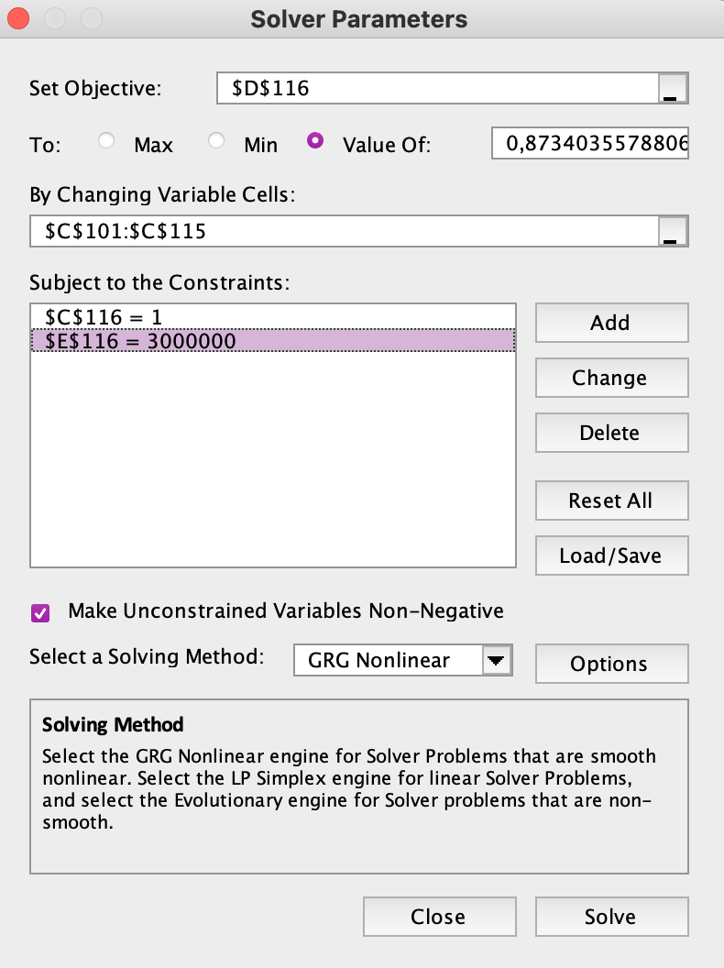
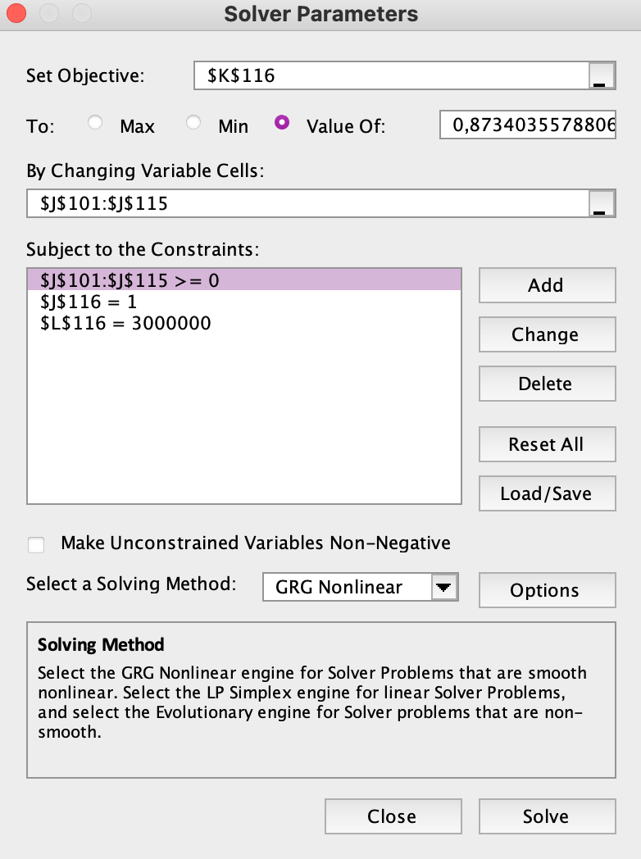

Available investment
$3,000,000

ii) 130/30
Long position Portfolio |  |  |  |  |  | Short position Portfolio
Ticker | Weights | Beta | Invest | Stock Price at inception date | Number of shares bought | Ticker | Weights | Beta | Invest | Stock Price at inception date | Number of shares sold | Long invest | 130% | $3,900,000
BIRDF-US | 10.00% | 1.1787 | $300,000 | $10.88 | 27,574 | AHCHY-US | 0.00% | 0.1674 | $- | $11.55 | 0 | Short invest | 30% | $900,000
EPRT-US | 0.00% | 1.3552 | $0 | $25.56 | 0 | SSBI-US | 0.00% | 0.5886 | $- | $12.30 | 0
 | 10.00% | 0.4901 | $300,000 | $18.76 | 15,993 | NSC-US | 10.00% | 1.3504 | $300,000 | $236.38 | 1,269 | Average Beta
...
 | 0.00% | 1.6843 | $- | $93.19 | 0 | WPC-US | 0.00% | 0.9521 | $- | $64.81 | 0 |  |  |  |  | 77.23%
PAYS-US | 10.00% | 0.8944 | $300,000 | $2.80 | 107,143 | FBTT-US | 0.00% | 0.0747 | $- | $19.00 | 0 |  |  |  |  | 7.86%
POWL-US | 10.00% | 0.5484 | $300,000 | $88.40 | 3,394 | ESCA-US | 0.00% | 1.1383 | $- | $20.09 | 0 |  |  |  |  | 150.74%
JEF-US | 10.00% | 1.1450 | $300,000 | $40.41 | 7,424 | SPOK-US | 0.00% | 0.3104 | $- | $15.48 | 0 |  |  |  |  | 94.01%
LAZ-US | 10.00% | 1.3084 | $300,000 | $34.80 | 8,621 | UNLYF-US | 0.00% | 0.5280 | $- | $47.68 | 0 |  |  |  |  | 47.93%
PCYO-US | 10.00% | 1.0386 | $300,000 | $10.47 | 28,653 | DHLGY-US | 10.00% | 1.3555 | $300,000 | $49.55 | 6,055 |  |  |  |  | 21.11%
FNF-US | 10.00% | 1.3090 | $300,000 | $51.02 | 5,880 | TEL-US | 10.00% | 1.2766 | $300,000 | $140.50 | 2,135 |  |  |  |  | 10.04%
ITRI-US | 10.00% | 1.0712 | $300,000 | $75.51 | 3,973 | YRAIF-US | 0.00% | 0.9129 | $- | $35.03 | 0 |  |  |  |  | 43.80%
 | 130.00% | 1.2260 | $3,900,000 |  |  |  | 30.00% | 0.3983 | $900,000
 | Beta deviation | 0.1244 |  |  |  |  | Beta deviation | 0.2258
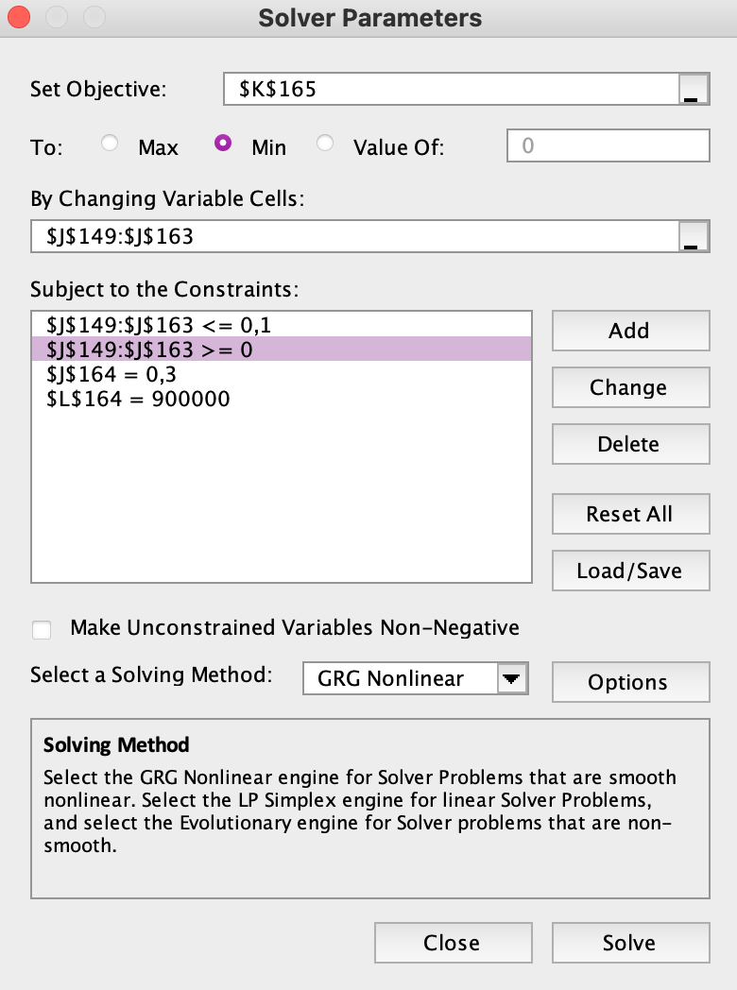
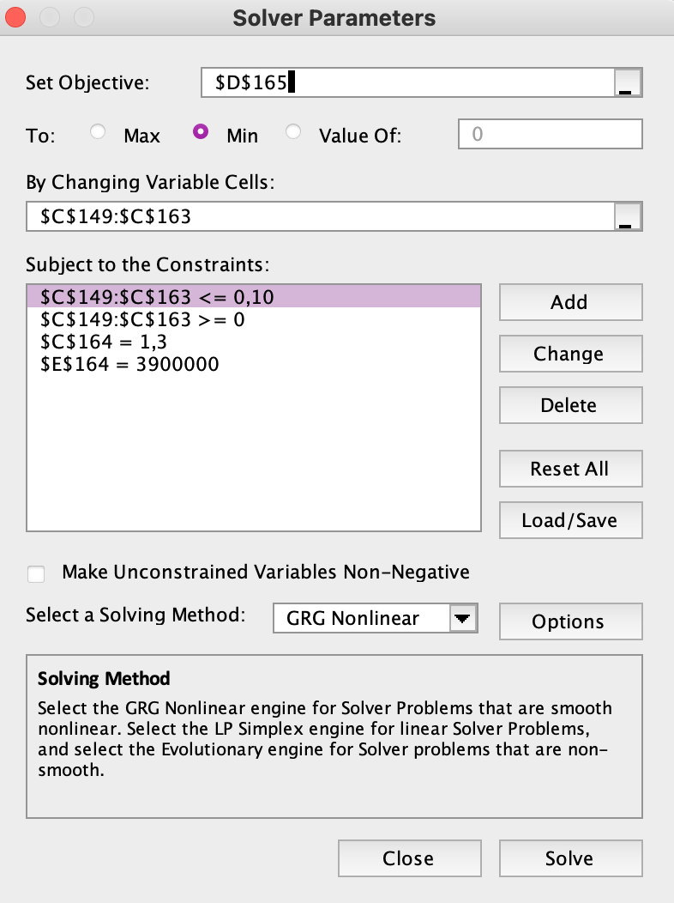

iii) Portable Alpha
Long position Portfolio |  |  |  |  |  | Short position Portfolio |  |  |  |  |  | Long |  | Short |  | Total Return
Ticker | Weights | Beta | Invest | Stock Price at inception date | Number of shares bought | Ticker | Weights | Beta | Invest | Stock Price at inception date | Number of shares sold | Induvidual Stock Return | Portfolio Return | Induvidual Stock Return | Portfolio Return
BIRDF-US | 0.00% | 1.1787 | $- | $10.88 | 0 | AHCHY-US | 0.00% | 0.1674 | $- | $11.55 | 0 | 66.13% | 0.00% | 10.78% | 0.00% | 0.00%
EPRT-US | 0.00% | 1.3552 | $- | $25.56 | 0 | SSBI-US | 0.00% | 0.5886 | $- | $12.30 | 0 | 22.38% | 0.00% | -37.80% | 0.00% | 0.00%
OTSKY-US | 16.15% | 0.4901 | $484,532 | $18.76 | 25,831 | NSC-US | 10.31% | 1.3504 | $309,219 | $236.38 | 1,308 | 45.86% | 7.41% | -0.71% | -0.07% | 7.33%
OHI-US | 8.17% | 0.7927 | $244,991 | $30.66 | 7,991 | NWN-US | 6.56% | 0.4832 | $196,675 | $38.94 | 5,051 | 23.45% | 1.92% | 1.59% | 0.10% | 2.02%
AGYS-US | 8.83% | 0.6634 | $264,847 | $84.82 | 3,122 | MNSB-US | 6.00% | 0.3329 | $180,090 | $24.81 | 7,259 | 55.28% | 4.88% | -27.05% | -1.62% | 3.26%
...

Question 3 - Betas
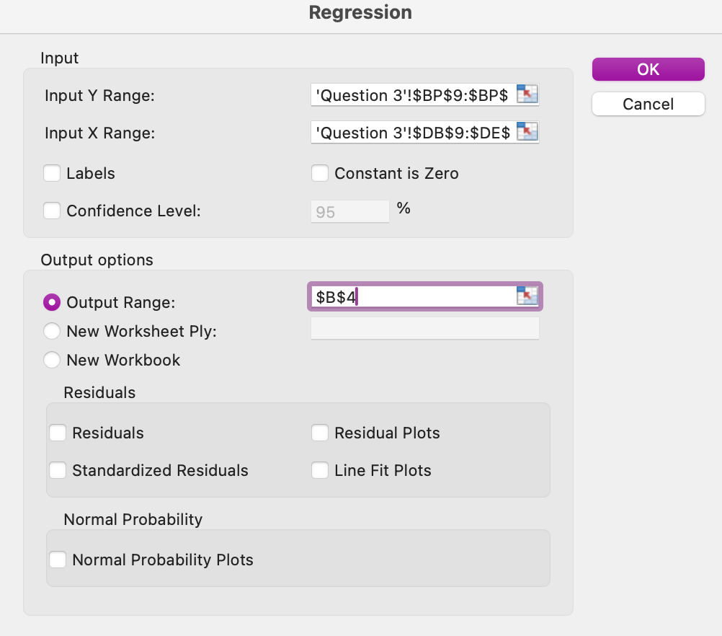
 |  |  |  |  |  | Short Position Stocks


 |  |  |  |  |  | SUMMARY OUTPUT - AHCHY-US

 |  |  |  |  |  | Regression Statistics
 |  |  |  |  |  | Multiple R | 0.39523589067
 |  |  |  |  |  | R Square | 0.15621140928
 |  |  |  |  |  | Adjusted R Square | 0.093708550704
 |  |  |  |  |  | Standard Error | 0.094941104677
 |  |  |  |  |  | Observations | 59

 |  |  |  |  |  | ANOVA
MS | F | Significance F |  |  |  |  | df | SS | MS | F | Significance F
0.07392608591 | 10.989768088 | 1.362180685E-06 |  |  |  | Regression | 4 | 0.090111749745 | 0.022527937436 | 2.499268239 | 0.053184893279
0.0067268103672 |  |  |  |  |  | Residual | 54 | 0.48674592129 | 0.0090138133573
 |  |  |  |  |  | Total | 58 | 0.57685767104

t Stat | P-value | Lower 95% | Upper 95% | Lower 95,0% | Upper 95,0% |  | Coefficients | Standard Error | t Stat | P-value | Lower 95% | Upper 95% | Lower 95,0% | Upper 95,0%
0.54383253049 | 0.58879510897 | -0.016038216376 | 0.027977743636 | -0.016038216376 | 0.027977743636 | Intercept | -0.013169720815 | 0.012706959383 | -1.0364179516 | 0.30462617576 | -0.038645640497 | 0.012306198867 | -0.038645640497 | 0.012306198867
5.1729859947 | 3.4631466892E-06 | 0.72185788021 | 1.6354874054 | 0.72185788021 | 1.6354874054 | X Variable 1 | 0.16744920646 | 0.26375553923 | 0.63486517458 | 0.52819724301 | -0.36134881128 | 0.6962472242 | -0.36134881128 | 0.6962472242
0.058319643797 | 0.95370930146 | -0.81427930085 | 0.8630715163 | -0.81427930085 | 0.8630715163 | X Variable 2 | -0.59300442118 | 0.48423409822 | -1.2246234277 | 0.22603270703 | -1.5638353353 | 0.37782649298 | -1.5638353353 | 0.37782649298
2.2898900238 | 0.025961001004 | 0.066415577039 | 1.0008029398 | 0.066415577039 | 1.0008029398 | X Variable 3 | 0.34307760252 | 0.26974811552 | 1.2718442976 | 0.20887870839 | -0.19773480732 | 0.88389001235 | -0.19773480732 | 0.88389001235
0.010364716729 | 0.99176849832 | -0.59630194113 | 0.60249943981 | -0.59630194113 | 0.60249943981 | X Variable 4 | -0.68002556704 | 0.34608174969 | -1.9649275573 | 0.054576110924 | -1.373877699 | 0.013826564944 | -1.373877699 | 0.013826564944

 |  |  |  |  |  | SUMMARY OUTPUT - SSBI-US

 |  |  |  |  |  | Regression Statistics
 |  |  |  |  |  | Multiple R | 0.52010177382
 |  |  |  |  |  | R Square | 0.27050585513
 |  |  |  |  |  | Adjusted R Square | 0.2164692518
 |  |  |  |  |  | Standard Error | 0.086188696709
...

Question 4 part C
...
$100
9.06.2025

2-Year Bond Yield | 3-Year Bond Yield | 5-Year Bond Yield | 7-Year Bond Yield | 10-Year Bond Yield | 20-Year Bond Yield | 30-Year Bond Yield
3.875% | 3.750% | 4.000% | 4.125% | 4.250% | 5.000% | 4.750%
31.05.2027 | 15.05.2028 | 31.05.2030 | 31.05.2032 | 15.05.2035 | 15.05.20245 | 15.05.2055
99.760 | 99.570 | 99.560 | 98.780 | 98.310 | 100.080 | 96.590
4.040% | 4.020% | 4.090% | 4.310% | 4.470% | 4.990% | 4.970%

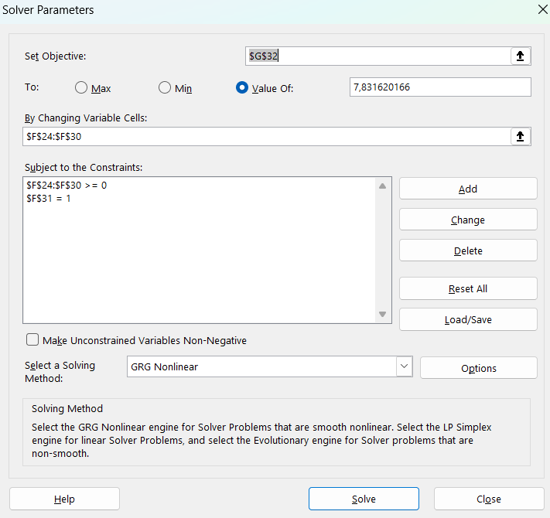
8 years
4.30%
10,000,000.00

14054452.611

100
7.8316201664
10,000,000.00

 |  |  |  | Weights | Mod Dur
1.9051138186 |  | Modified Duration bond 2 |  | 9.29% | 1.9051138186
2.8082458723 |  | Modified Duration bond 3 |  | 14.40% | 2.8082458723
4.4882983533 |  | Modified Duration bond 5 |  | 14.62% | 4.4882983533
6.0154594967 |  | Modified Duration bond 7 |  | 14.82% | 6.0154594967
8.0508721252 |  | Modified Duration bond 10 |  | 15.09% | 8.0508721252
12.556771375 |  | Modified Duration bond 20 |  | 15.68% | 12.556771375
15.651926731 |  | Modified Duration bond 30 |  | 16.09% | 15.651926731
 |  |  | Sum | 100.00%
 |  |  | Portfolio Dur |  | 7.831621166
 |  |  |  |  | 7.8316201664

Investment | PV | Units | Invest
928,716.13 € | 99.686014787 | 9316 | 928,674.91 €
1,440,407.42 € | 99.244061961 | 14513 | 1,440,329.07 €
1,462,425.34 € | 99.596733727 | 14683 | 1,462,378.84 €
1,482,439.55 € | 98.892291617 | 14990 | 1,482,395.45 €
1,509,114.64 € | 98.241474133 | 15361 | 1,509,087.28 €
1,568,166.68 € | 100.12561963 | 15661 | 1,568,067.33 €
1,608,730.23 € | 96.588398396 | 16655 | 1,608,679.78 €

10,000,000.00 € |  |  | 9,999,612.67 €

